Wind and Solar Monthly Detailed
All Island Wind |  | Volumes (MWh) |  |  |  |  |  |  |  |  |  |  | Percentages |  |  |  |  |  |  |  |  |  | Ireland Wind |  | Volumes (MWh) |  |  |  |  |  |  |  |  |  |  | Percentages |  |  |  |  |  |  |  |  |  | Northern Ireland Wind |  | Volumes (MWh) |  |  |  |  |  |  |  |  |  |  | Percentages
 |  | Availability | Generation | Dispatch Down | Constraints | Transmission Constraints | TSO Testing | Curtailments | High Freq / Min Gen | ROCOF / Inertia | SNSP Issue | Other Reductions | Generation | Dispatch Down | Constraints | Transmission Constraints | TSO Testing | Curtailments | High Freq / Min Gen | ROCOF / Inertia | SNSP Issue | Other Reductions |  |  | Availability | Generation | Dispatch Down | Constraints | Transmission Constraints | TSO Testing | Curtailments | High Freq / Min Gen | ROCOF / Inertia | SNSP Issue | Other Reductions | Generation | Dispatch Down | Constraints | Transmission Constraints | TSO Testing | Curtailments | High Freq / Min Gen | ROCOF / Inertia | SNSP Issue | Other Reductions |  |  | Availability | Generation | Dispatch Down | Constraints | Transmission Constraints | TSO Testing | Curtailments | High Freq / Min Gen | ROCOF / Inertia | SNSP Issue | Other Reductions | Generation | Dispatch Down | Constraints | Transmission Constraints | TSO Testing | Curtailments | High Freq / Min Gen | ROCOF / Inertia | SNSP Issue | Other Reductions
2016 | Jan | 1,016,004 | 973,868 | 35,754 | 15,178 | 15,155 | 23 | 20,576 | 14,781 | - | 5,795 | 4,090 | 95.9% | 3.5% | 1.5% | 1.5% | 0.0% | 2.0% | 1.5% | 0.0% | 0.6% | 0.4% | 2016 | Jan | 816,192 | 781,763 | 28,865 | 15,157 | 15,155 | 2 | 13,708 | 10,130 | - | 3,579 | 3,631 | 95.8% | 3.5% | 1.9% | 1.9% | 0.0% | 1.7% | 1.2% | 0.0% | 0.4% | 0.4% | 2016 | Jan | 199,812 | 192,104 | 6,889 | 21 | - | 21 | 6,868 | 4,651 | - | 2,216 | 459 | 96.1% | 3.4% | 0.0% | 0.0% | 0.0% | 3.4% | 2.3% | 0.0% | 1.1% | 0.2%
 | Feb | 833,623 | 802,289 | 26,022 | 12,998 | 12,754 | 244 | 13,024 | 6,696 | - | 6,329 | 3,532 | 96.2% | 3.1% | 1.6% | 1.5% | 0.0% | 1.6% | 0.8% | 0.0% | 0.8% | 0.4% |  | Feb | 666,725 | 640,037 | 22,135 | 12,759 | 12,754 | 5 | 9,377 | 5,446 | - | 3,931 | 2,947 | 96.0% | 3.3% | 1.9% | 1.9% | 0.0% | 1.4% | 0.8% | 0.0% | 0.6% | 0.4% |  | Feb | 166,897 | 162,252 | 3,887 | 239 | - | 239 | 3,647 | 1,250 | - | 2,398 | 585 | 97.2% | 2.3% | 0.1% | 0.0% | 0.1% | 2.2% | 0.7% | 0.0% | 1.4% | 0.4%
 | Mar | 643,940 | 626,595 | 13,700 | 8,697 | 8,668 | 29 | 5,003 | 3,052 | - | 1,950 | 2,374 | 97.3% | 2.1% | 1.4% | 1.3% | 0.0% | 0.8% | 0.5% | 0.0% | 0.3% | 0.4% |  | Mar | 523,870 | 508,165 | 12,606 | 8,668 | 8,668 | - | 3,937 | 2,405 | - | 1,532 | 1,924 | 97.0% | 2.4% | 1.7% | 1.7% | 0.0% | 0.8% | 0.5% | 0.0% | 0.3% | 0.4% |  | Mar | 120,070 | 118,430 | 1,094 | 29 | - | 29 | 1,065 | 647 | - | 418 | 450 | 98.6% | 0.9% | 0.0% | 0.0% | 0.0% | 0.9% | 0.5% | 0.0% | 0.3% | 0.4%
 | Qtr1 | 2,493,566 | 2,402,752 | 75,475 | 36,873 | 36,577 | 296 | 38,602 | 24,529 | - | 14,074 | 9,996 | 96.4% | 3.0% | 1.5% | 1.5% | 0.0% | 1.5% | 1.0% | 0.0% | 0.6% | 0.4% |  | Qtr1 | 2,006,787 | 1,929,965 | 63,606 | 36,584 | 36,577 | 7 | 27,022 | 17,981 | - | 9,041 | 8,502 | 96.2% | 3.2% | 1.8% | 1.8% | 0.0% | 1.3% | 0.9% | 0.0% | 0.5% | 0.4% |  | Qtr1 | 486,779 | 472,787 | 11,869 | 289 | - | 289 | 11,580 | 6,548 | - | 5,032 | 1,494 | 97.1% | 2.4% | 0.1% | 0.0% | 0.1% | 2.4% | 1.3% | 0.0% | 1.0% | 0.3%
 | Apr | 592,487 | 582,302 | 7,448 | 6,577 | 6,577 | 0 | 871 | 871 | - | - | 1,357 | 98.3% | 1.3% | 1.1% | 1.1% | 0.0% | 0.1% | 0.1% | 0.0% | 0.0% | 0.2% |  | Apr | 476,821 | 467,613 | 6,568 | 5,897 | 5,897 | 0 | 670 | 670 | - | - | 1,310 | 98.1% | 1.4% | 1.2% | 1.2% | 0.0% | 0.1% | 0.1% | 0.0% | 0.0% | 0.3% |  | Apr | 115,667 | 114,689 | 880 | 680 | 680 | - | 200 | 200 | - | - | 46 | 99.2% | 0.8% | 0.6% | 0.6% | 0.0% | 0.2% | 0.2% | 0.0% | 0.0% | 0.0%
 | May | 458,284 | 451,508 | 5,569 | 1,099 | 1,098 | 1 | 4,470 | 1,035 | - | 3,435 | 257 | 98.5% | 1.2% | 0.2% | 0.2% | 0.0% | 1.0% | 0.2% | 0.0% | 0.7% | 0.1% |  | May | 359,271 | 353,836 | 4,444 | 1,099 | 1,098 | 1 | 3,345 | 558 | - | 2,787 | 247 | 98.5% | 1.2% | 0.3% | 0.3% | 0.0% | 0.9% | 0.2% | 0.0% | 0.8% | 0.1% |  | May | 99,013 | 97,673 | 1,125 | 0 | 0 | - | 1,125 | 477 | - | 648 | 10 | 98.6% | 1.1% | 0.0% | 0.0% | 0.0% | 1.1% | 0.5% | 0.0% | 0.7% | 0.0%
 | Jun | 381,700 | 378,529 | 2,580 | 1,773 | 1,769 | 4 | 807 | 807 | - | - | 173 | 99.2% | 0.7% | 0.5% | 0.5% | 0.0% | 0.2% | 0.2% | 0.0% | 0.0% | 0.0% |  | Jun | 318,768 | 315,910 | 2,378 | 1,773 | 1,769 | 4 | 606 | 606 | - | - | 120 | 99.1% | 0.7% | 0.6% | 0.6% | 0.0% | 0.2% | 0.2% | 0.0% | 0.0% | 0.0% |  | Jun | 62,932 | 62,619 | 201 | - | - | - | 201 | 201 | - | - | 54 | 99.5% | 0.3% | 0.0% | 0.0% | 0.0% | 0.3% | 0.3% | 0.0% | 0.0% | 0.1%
 | Qtr2 | 1,432,471 | 1,412,339 | 15,596 | 9,449 | 9,444 | 5 | 6,147 | 2,712 | - | 3,435 | 1,787 | 98.6% | 1.1% | 0.7% | 0.7% | 0.0% | 0.4% | 0.2% | 0.0% | 0.2% | 0.1% |  | Qtr2 | 1,154,860 | 1,137,358 | 13,390 | 8,769 | 8,764 | 5 | 4,621 | 1,834 | - | 2,787 | 1,677 | 98.5% | 1.2% | 0.8% | 0.8% | 0.0% | 0.4% | 0.2% | 0.0% | 0.2% | 0.1% |  | Qtr2 | 277,612 | 274,981 | 2,206 | 680 | 680 | - | 1,526 | 878 | - | 648 | 110 | 99.1% | 0.8% | 0.2% | 0.2% | 0.0% | 0.5% | 0.3% | 0.0% | 0.2% | 0.0%
 | Jul | 444,520 | 429,816 | 13,659 | 11,495 | 11,495 | 0 | 2,164 | 2,164 | - | - | 324 | 96.7% | 3.1% | 2.6% | 2.6% | 0.0% | 0.5% | 0.5% | 0.0% | 0.0% | 0.1% |  | Jul | 359,270 | 350,297 | 8,348 | 7,290 | 7,290 | 0 | 1,059 | 1,059 | - | - | 126 | 97.5% | 2.3% | 2.0% | 2.0% | 0.0% | 0.3% | 0.3% | 0.0% | 0.0% | 0.0% |  | Jul | 85,250 | 79,519 | 5,311 | 4,205 | 4,205 | - | 1,106 | 1,106 | - | - | 198 | 93.3% | 6.2% | 4.9% | 4.9% | 0.0% | 1.3% | 1.3% | 0.0% | 0.0% | 0.2%
 | Aug | 655,401 | 619,517 | 33,035 | 23,937 | 23,937 | 0 | 9,098 | 6,673 | 14 | 2,410 | 1,419 | 94.5% | 5.0% | 3.7% | 3.7% | 0.0% | 1.4% | 1.0% | 0.0% | 0.4% | 0.2% |  | Aug | 525,117 | 499,183 | 23,974 | 17,134 | 17,134 | 0 | 6,841 | 5,554 | 14 | 1,272 | 887 | 95.1% | 4.6% | 3.3% | 3.3% | 0.0% | 1.3% | 1.1% | 0.0% | 0.2% | 0.2% |  | Aug | 130,283 | 120,334 | 9,061 | 6,803 | 6,803 | - | 2,257 | 1,119 | - | 1,138 | 532 | 92.4% | 7.0% | 5.2% | 5.2% | 0.0% | 1.7% | 0.9% | 0.0% | 0.9% | 0.4%
 | Sep | 719,275 | 675,491 | 40,260 | 9,591 | 9,580 | 11 | 30,669 | 21,009 | 306 | 9,353 | 1,612 | 93.9% | 5.6% | 1.3% | 1.3% | 0.0% | 4.3% | 2.9% | 0.0% | 1.3% | 0.2% |  | Sep | 569,774 | 535,863 | 31,638 | 8,234 | 8,223 | 11 | 23,404 | 15,789 | 306 | 7,308 | 796 | 94.0% | 5.6% | 1.4% | 1.4% | 0.0% | 4.1% | 2.8% | 0.1% | 1.3% | 0.1% |  | Sep | 149,500 | 139,628 | 8,621 | 1,357 | 1,357 | - | 7,265 | 5,220 | - | 2,045 | 816 | 93.4% | 5.8% | 0.9% | 0.9% | 0.0% | 4.9% | 3.5% | 0.0% | 1.4% | 0.5%
...
All Island Wind |  | Volumes (MWh) |  |  |  |  |  |  |  |  |  |  | Percentages
 | Nov | 1,556,309 | 1,314,111 | 231,815 | 190,282 | 190,275 | 7 | 41,534 | 32,007 | 19 | 9,508 | 718 | 84.4% | 14.9% | 12.2% | 12.2%
 | Dec | 1,748,687 | 1,527,018 | 211,681 | 117,439 | 117,439 | 0 | 94,242 | 86,199 | 89 | 7,954 | 448 | 87.3% | 12.1% | 6.7% | 6.7%
 | Qtr4 | 4,909,306 | 4,143,647 | 731,365 | 520,594 | 520,587 | 7 | 210,774 | 183,014 | 336 | 27,425 | 1,749 | 84.4% | 14.9% | 10.6% | 10.6%
 | Year | 15,921,306 | 13,674,506 | 2,138,559 | 1,424,768 | 1,424,761 | 7 | 713,798 | 596,862 | 631 | 116,308 | 7,348 | 85.9% | 13.4% | 8.9% | 8.9%

The diagram below shows the breakdown of dispatch down energy using the same colour codes as the tables above.
Other reductions breakdown is reported in the individual wind/solar farm report only.
Uninstructed reductions are due to any issues with the wind/solar farm which are outside the TSO's control and are not reported.
Therefore, Available Energy ≠ Generation + TSO Dispatch Down + Other Reductions.

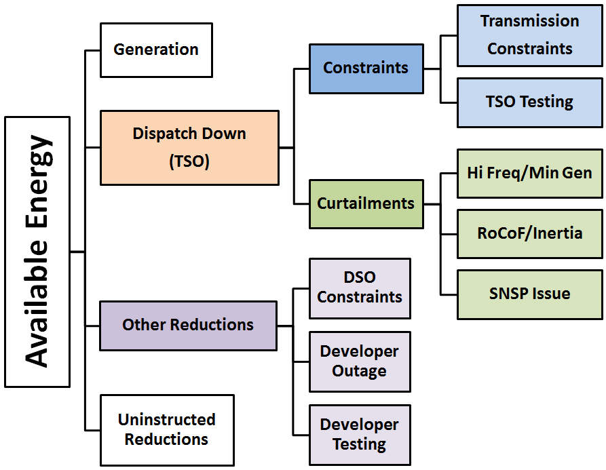

Daily Total Charts
Daily dispatch down (constraints and curtailment) volume charts by jurisdiction (Ireland(IE) & Northern Ireland(NI)) and technology (wind/solar).
Please note that the scales are different for different jurisdictions and technologies.

