Demand - IE
Demand Forecast for Ireland

4.2.2 Economic forecast

Table 4.1 Average annual growth rates for macroeconomic parameters, values used for median demand as advised by the ESRI

 |  | 2024-2025 |  |  | 2026-2030 |  |  | 2031-2035
 |  | Low (75% ESRI) | Median (ESRI) | High (110% ESRI) | Low (75% ESRI) | Median (ESRI) | High (110% ESRI) | Low (75% ESRI) | Median (ESRI) | High (110% ESRI)
 | Real GNI* | 2.4% | 3.2% | 3.5% | 2.3% | 3.0% | 3.3% | 1.9% | 2.5% | 2.8%
 | Personal Consumption | 2.0% | 2.6% | 2.9% | 1.9% | 2.5% | 2.8% | 1.5% | 2.0% | 2.2%

4.2.3 Data centres and new technology loads

Table 4.2 Forecasted data centre and new technology load demand by 2035. 2024 demand 959 MVA

 | Forecast Scenario | Growth from 2024-2035 (MVA) | 2035 Demand (MVA)
 | Low | 443 | 1402
 | Median | 911 | 1870
 | High | 1225 | 2183

Figure 4.1 Ireland demand expected from assumed build out of data centres and new technology loads

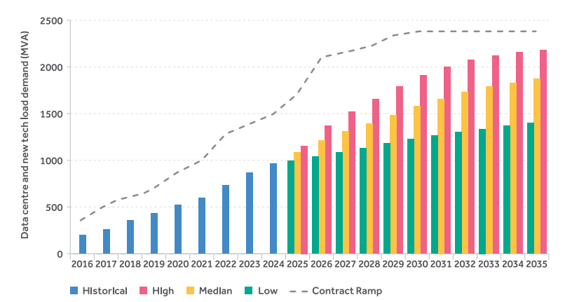
 | Year | Historic (MVA) | AIRAA25
 |  |  | Peak Transmission (MW)
 |  |  | Low (MVA) | Median (MVA) | High (MVA) | Contract Ramp (MVA)
 | 2016 | 197
 | 2017 | 262
 | 2018 | 357
 | 2019 | 432
 | 2020 | 520
 | 2021 | 600
 | 2022 | 734
 | 2023 | 867
 | 2024 |  | 959 | 959 | 959 | 1494
 | 2025 |  | 997 | 1082 | 1156 | 1720
 | 2026 |  | 1042 | 1209 | 1368 | 2114
 | 2027 |  | 1087 | 1307 | 1522 | 2156
 | 2028 |  | 1132 | 1396 | 1658 | 2221
 | 2029 |  | 1179 | 1486 | 1793 | 2328
 | 2030 |  | 1226 | 1577 | 1912 | 2366
 | 2031 |  | 1264 | 1659 | 2000 | 2373
 | 2032 |  | 1301 | 1727 | 2077 | 2373
 | 2033 |  | 1336 | 1788 | 2121 | 2373
 | 2034 |  | 1369 | 1831 | 2157 | 2373
 | 2035 |  | 1402 | 1870 | 2183 | 2373

4.2.4 Electrification of heat and transport

Table 4.3 2030 EV & HP projections from SEAI's WEM Scenario in Median Scenario versus Climate Action Plan Targets 2024

 | Year: 2030 |  | WEM (Median Scenario) | Climate Action Plan 2024
 | Electric Vehicles |  | 768,000 | 927,000
 | Heat Pumps | Retrofit | 240,000 | 400,000
 |  | New Build | 426,000 | 280,000
 |  | Commercial | 9,100 | 50,000

Table 4.4 Low, median and high Total Electricity Requirement key assumption differences by 2030

 |  | Retrofit Heat Pumps | New Build Heat Pumps | Electric Vehicles
 | Low | 75% SEAI WEM | Current Housing Trajectory c.35k/year | 75% SEAI WEM
 | Median | SEAI WEM (240k) | Gov Housing Targets (c. 50k/year) + Existing (126k) | SEAI WEM (768k)
 | High | SEAI WAM (362k) | Gov Housing Targets (c. 50k/year) + Lower COP | SEAI WAM (920k)

Figure 4.2 Electric vehicle electrical energy demand - median scenario

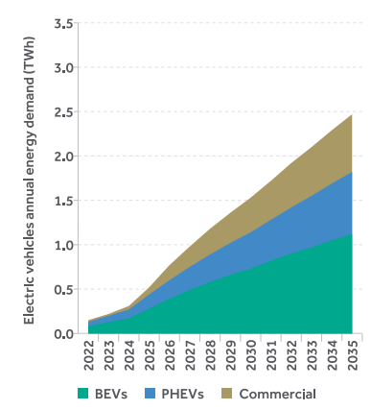
 | Year | BEVs (TWh) | PHEVs (TWh) | Commercial (TWh) | Total (TWh)
 | 2022 | 0.08 | 0.05 | 0.02 | 0.15
 | 2023 | 0.13 | 0.07 | 0.02 | 0.22
 | 2024 | 0.17 | 0.10 | 0.04 | 0.31
 | 2025 | 0.28 | 0.16 | 0.08 | 0.52
 | 2026 | 0.39 | 0.21 | 0.17 | 0.77
 | 2027 | 0.49 | 0.26 | 0.23 | 0.98
 | 2028 | 0.58 | 0.31 | 0.29 | 1.18
 | 2029 | 0.66 | 0.36 | 0.34 | 1.36
 | 2030 | 0.73 | 0.41 | 0.39 | 1.53
 | 2031 | 0.82 | 0.46 | 0.44 | 1.72
 | 2032 | 0.90 | 0.52 | 0.50 | 1.92
 | 2033 | 0.97 | 0.58 | 0.55 | 2.1
 | 2034 | 1.05 | 0.64 | 0.60 | 2.29
 | 2035 | 1.12 | 0.7 | 0.65 | 2.47

Figure 4.2 Heat pump electrical energy demand - median scenario

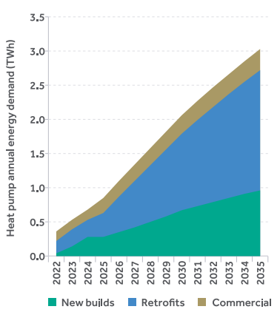
 | Year | New Builds - Residential (TWh) | Retrofits - Residential (TWh) | Commercial (TWh) | Total (TWh)
 | 2022 | 0.04 | 0.18 | 0.14 | 0.36
 | 2023 | 0.14 | 0.25 | 0.14 | 0.53
 | 2024 | 0.28 | 0.25 | 0.15 | 0.68
 | 2025 | 0.28 | 0.35 | 0.22 | 0.85
 | 2026 | 0.35 | 0.52 | 0.23 | 1.1
 | 2027 | 0.42 | 0.68 | 0.24 | 1.34
 | 2028 | 0.50 | 0.83 | 0.25 | 1.58
 | 2029 | 0.58 | 0.98 | 0.26 | 1.82
 | 2030 | 0.67 | 1.12 | 0.27 | 2.06
 | 2031 | 0.73 | 1.26 | 0.28 | 2.27
 | 2032 | 0.79 | 1.39 | 0.29 | 2.47
 | 2033 | 0.85 | 1.52 | 0.29 | 2.66
 | 2034 | 0.91 | 1.64 | 0.30 | 2.85
 | 2035 | 0.96 | 1.76 | 0.31 | 3.03

4.2.5 Temperature correction

Figure 4.3 Historic recorded and temperature corrected peak demand

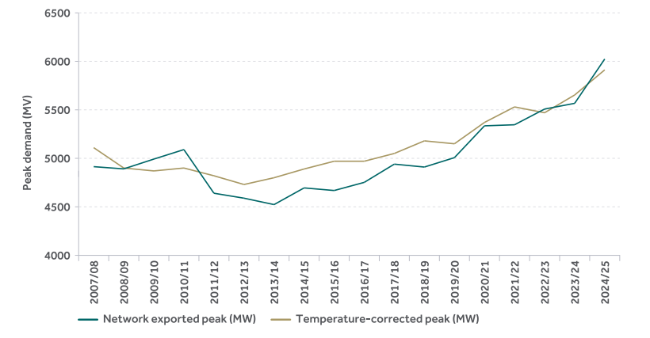
 | Year | Network Exported Peak (MW) | Historic Temperature-Corrected Peak (MW)
 | 2007/08 | 4914 | 5110
 | 2008/09 | 4891 | 4900
 | 2009/10 | 4992 | 4870
 | 2010/11 | 5090 | 4900
 | 2011/12 | 4640 | 4820
 | 2012/13 | 4589 | 4730
 | 2013/14 | 4523 | 4800
 | 2014/15 | 4695 | 4890
 | 2015/16 | 4668 | 4970
 | 2016/17 | 4752 | 4970
 | 2017/18 | 4940 | 5050
 | 2018/19 | 4910 | 5180
 | 2019/20 | 5007 | 5150
 | 2020/21 | 5335 | 5370
 | 2021/22 | 5346 | 5530
 | 2022/23 | 5508 | 5470
 | 2023/24 | 5567 | 5653
 | 2024/25 | 6024 | 5912

4.2.6 Demand flexibility

Figure 4.4 Impact of demand flexibility on 2030 peak day (median scenario)

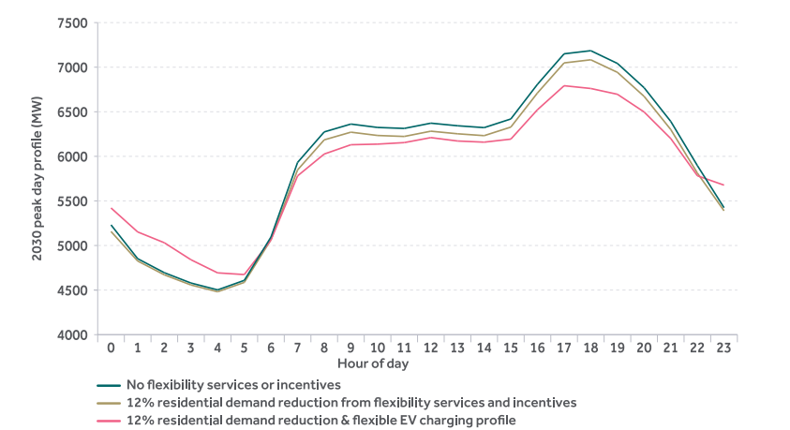
 | Hr | No Flexibility Services or Incentives (MW) | 12% Residential Demand Reduction and Flexible EV Charging Profile (MW) | 12% Residential Demand Reduction from Flexibility Services & Incentives (MW)
 | 0 | 5231 | 5421 | 5157
 | 1 | 4852 | 5152 | 4826
 | 2 | 4695 | 5031 | 4671
 | 3 | 4579 | 4840 | 4557
 | 4 | 4502 | 4693 | 4481
 | 5 | 4609 | 4674 | 4586
 | 6 | 5094 | 5061 | 5064
 | 7 | 5932 | 5781 | 5848
 | 8 | 6274 | 6026 | 6185
 | 9 | 6362 | 6130 | 6271
 | 10 | 6324 | 6137 | 6234
 | 11 | 6313 | 6154 | 6223
 | 12 | 6372 | 6210 | 6282
 | 13 | 6343 | 6172 | 6253
 | 14 | 6322 | 6159 | 6232
 | 15 | 6419 | 6193 | 6328
 | 16 | 6808 | 6523 | 6711
 | 17 | 7150 | 6792 | 7048
 | 18 | 7185 | 6761 | 7083
 | 19 | 7042 | 6696 | 6942
 | 20 | 6770 | 6498 | 6673
 | 21 | 6392 | 6200 | 6301
 | 22 | 5896 | 5782 | 5812
 | 23 | 5424 | 5677 | 5389

Figure 4.5 Impact of demand flexibility in median scenario across the study period

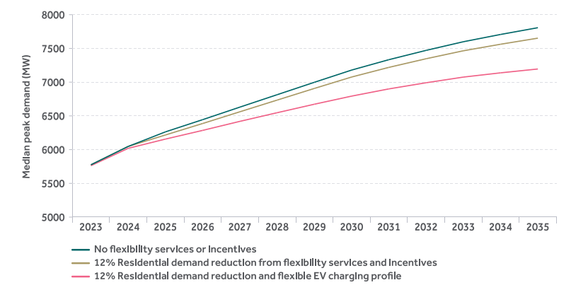
 | Year | No Flexibility Services or Incentives (MW) | 12% Residential Demand Reduction from Flexibility Services & Incentives (MW) | 12% Residential Demand Reduction and Flexible EV Charging Profile (MW)
 | 2023 | 5775 | 5775 | 5762
 | 2024 | 6047 | 6047 | 6019
 | 2025 | 6263 | 6217 | 6156
 | 2026 | 6444 | 6387 | 6285
 | 2027 | 6630 | 6561 | 6419
 | 2028 | 6814 | 6734 | 6547
 | 2029 | 6998 | 6907 | 6673
 | 2030 | 7179 | 7076 | 6793
 | 2031 | 7333 | 7219 | 6900
 | 2032 | 7471 | 7347 | 6991
 | 2033 | 7599 | 7465 | 7075
 | 2034 | 7707 | 7562 | 7138
 | 2035 | 7807 | 7652 | 7195

4.2.8 Total Electricity Requirement (TER)

Figure 4.6 Total Electricity Requirement for Ireland

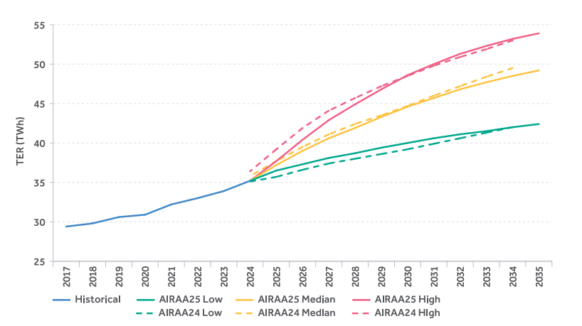
 | Year | Historical (TWh) | All Island Resource Adequacy Assessment (TWh)
 |  |  | AIRAA25 Low* | AIRAA25 Median* | AIRAA25 High* | AIRAA24 Low | AIRAA24 Median | AIRAA24 High
 | 2017 | 29.4
 | 2018 | 29.8
 | 2019 | 30.6
 | 2020 | 30.9
 | 2021 | 32.2
 | 2022 | 33.0
 | 2023 | 33.9
 | 2024 | 35.2 | 35.2 | 35.2 | 35.2 | 35.1 | 35.8 | 36.4
 | 2025 |  | 36.5 | 37.2 | 37.7 | 35.7 | 37.7 | 39.2
 | 2026 |  | 37.3 | 39.0 | 40.4 | 36.6 | 39.5 | 41.9
 | 2027 |  | 38.1 | 40.6 | 42.9 | 37.4 | 41.1 | 44.1
 | 2028 |  | 38.7 | 41.9 | 44.9 | 38.0 | 42.4 | 45.7
 | 2029 |  | 39.4 | 43.3 | 46.8 | 38.6 | 43.5 | 47.2
 | 2030 |  | 40.0 | 44.6 | 48.6 | 39.2 | 44.7 | 48.5
 | 2031 |  | 40.6 | 45.7 | 50.0 | 39.9 | 46.0 | 49.8
 | 2032 |  | 41.1 | 46.8 | 51.3 | 40.6 | 47.2 | 50.9
 | 2033 |  | 41.5 | 47.7 | 52.3 | 41.3 | 48.4 | 51.9
 | 2034 |  | 42.0 | 48.5 | 53.2 | 42.0 | 49.5 | 53.0
 | 2035 |  | 42.4 | 49.2 | 53.9
 | * AIRAA25 Low, Median, High data for year 2024 is based on historic data for charting purposes, forecast begins in year 2025.

Table 4.5 Low, median and high Total Electricity Requirement key assumption differences by 2030

 |  |  | Low | Median | High
 | Housing |  | Based on macro-economic projections from ESRI | Gov housing targets achieved (c. 50k houses per annum) | Gov housing targets + reduced efficiency gain
 | Heat Pumps | Retrofit | 75% SEAI WEM | SEAI WEM (240k) | SEAI WAM (362k)
 |  | New Builds | Current housing trajectory (c. 35k/year) | Gov housing targets (c. 50k/year) + existing (126k) | Gov housing targets (c. 50k/year) + lower COP
 | Electric Vehicles |  | 75% SEAI WEM | SEAI WEM (768k) | SEAI WAM (920k)
 | Data Centre and New Technology Loads |  | Low Ramp | Median Ramp | High Ramp
 | Economic Growth |  | 75% ESRI Economic Projection | 100% ESRI Economic Projection | 110% ESRI Economic Projection
 | Industrial Heat |  | 75% SEAI's National Energy Projections 2024 WEM Scenario | SEAI's National Energy Projections 2024 WEM Scenario | 110% SEAI's National Energy Projections 2024 WEM Scenario

Figure 4.7 Ireland median demand Total Electricity Requirement sectoral breakdown

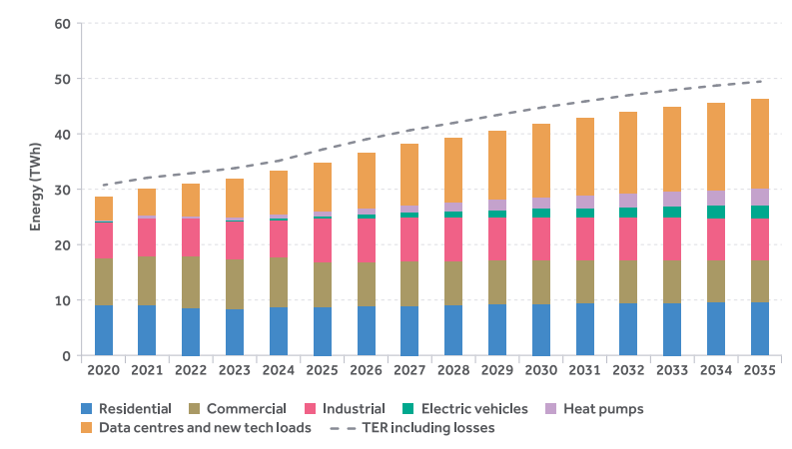
 |  | Residential (TWh) | Commercial (TWh) | Industrial (TWh) | Electric Vehicles (TWh) | Heat Pumps (TWh) | Data Centres & New Tech Loads (TWh) | TER incorporating losses (TWh)
 | 2020 | 9.0 | 8.5 | 6.4 | 0.0 | 0.4 | 4.2 | 30.9
 | 2021 | 9.0 | 8.9 | 6.7 | 0.1 | 0.4 | 4.9 | 32.2
 | 2022 | 8.5 | 9.2 | 6.9 | 0.2 | 0.4 | 5.8 | 33.0
 | 2023 | 8.2 | 9.0 | 6.8 | 0.2 | 0.5 | 7.0 | 33.9
 | 2024 | 8.5 | 9.0 | 6.8 | 0.3 | 0.7 | 8.0 | 35.2
 | 2025 | 8.7 | 8.1 | 7.8 | 0.5 | 0.9 | 8.9 | 37.2
 | 2026 | 8.8 | 8.1 | 7.8 | 0.8 | 1.1 | 10.0 | 39.0
 | 2027 | 8.9 | 8.1 | 7.8 | 1.0 | 1.3 | 11.0 | 40.6
 | 2028 | 9.0 | 8.0 | 7.8 | 1.2 | 1.6 | 11.8 | 41.9
 | 2029 | 9.1 | 8.0 | 7.7 | 1.4 | 1.8 | 12.6 | 43.3
 | 2030 | 9.2 | 7.9 | 7.7 | 1.5 | 2.1 | 13.4 | 44.6
 | 2031 | 9.3 | 7.9 | 7.7 | 1.7 | 2.3 | 14.1 | 45.7
 | 2032 | 9.3 | 7.8 | 7.6 | 1.9 | 2.5 | 14.8 | 46.8
 | 2033 | 9.4 | 7.8 | 7.6 | 2.1 | 2.7 | 15.4 | 47.7
 | 2034 | 9.4 | 7.7 | 7.6 | 2.3 | 2.8 | 15.8 | 48.5
 | 2035 | 9.5 | 7.6 | 7.5 | 2.5 | 3.0 | 16.2 | 49.2

Figure 4.8 Sectoral contribution to Ireland's Median TER in 2026 & 2035

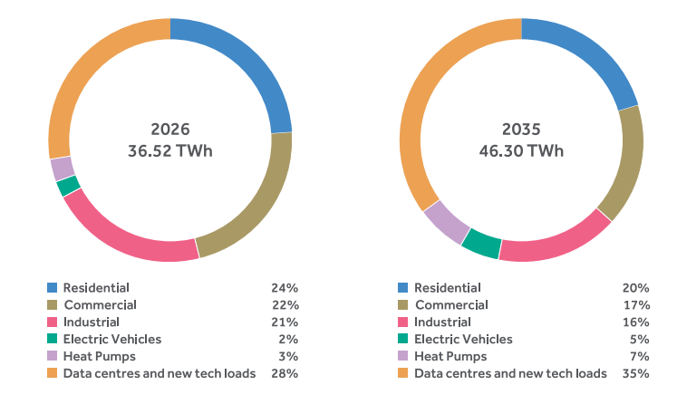
 |  | 2026 (TWh) | 2035 (TWh)
 | Residential | 8.8 | 9.5
 | Commercial | 8.1 | 7.6
 | Industrial | 7.8 | 7.5
 | Electric Vehicles | 0.8 | 2.5
 | Heat Pumps | 1.1 | 3.0
 | Data Centres & New Tech Loads | 10.0 | 16.2

4.2.9 Peak Demand

Figure 4.9 Sectoral contribution to Ireland's peak demand in 2026 & 2035

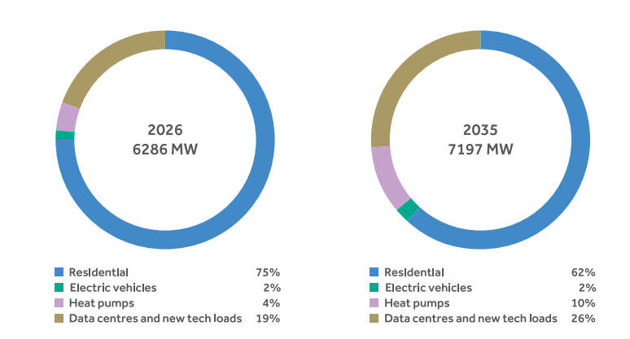
 |  | 2026 (MW) | 2035 (MW)
 | Residential, Commercial & Industrial | 4724 | 4448
 | Electric Vehicles | 91 | 157
 | Heat Pumps | 261 | 720
 | Data Centres & New Tech Loads | 1209 | 1870

Figure 4.10 Transmission peak forecast for Ireland

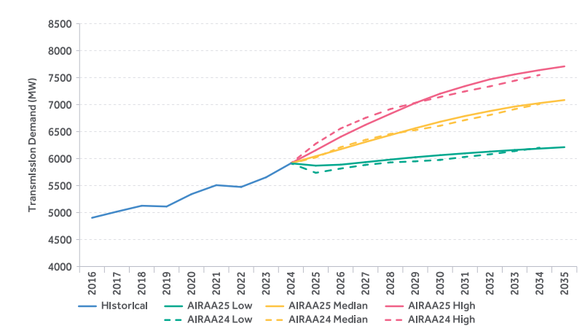
 | Year | Historical (MW) | All Island Resource Adequacy Assessment
 |  |  | AIRAA25 Low* | AIRAA25 Median* | AIRAA25 High* | AIRAA24 Low* | AIRAA24 Median* | AIRAA24 High*
 | 2016 | 4903
 | 2017 | 5017
 | 2018 | 5126
 | 2019 | 5112
 | 2020 | 5341
 | 2021 | 5507
 | 2022 | 5474
 | 2023 | 5653
 | 2024 | 5912 | 5652 | 5834 | 5970 | 5912 | 5912 | 5912
 | 2025 |  | 5869 | 6044 | 6154 | 5736 | 6020 | 6276
 | 2026 |  | 5887 | 6173 | 6403 | 5815 | 6211 | 6558
 | 2027 |  | 5934 | 6307 | 6625 | 5883 | 6347 | 6754
 | 2028 |  | 5981 | 6435 | 6829 | 5929 | 6456 | 6917
 | 2029 |  | 6025 | 6562 | 7029 | 5949 | 6527 | 7032
 | 2030 |  | 6063 | 6682 | 7202 | 5975 | 6608 | 7141
 | 2031 |  | 6097 | 6788 | 7342 | 6031 | 6713 | 7245
 | 2032 |  | 6129 | 6880 | 7468 | 6079 | 6807 | 7337
 | 2033 |  | 6159 | 6964 | 7560 | 6139 | 6915 | 7442
 | 2034 |  | 6185 | 7027 | 7639 | 6201 | 7011 | 7549
 | 2035 |  | 6211 | 7084 | 7708
 | * Data for year 2024 is based on historic data for charting purposes, forecast begins in year 2025.

4.2.10 Demand shape

Figure 4.11 Forecast hourly demand shape in Ireland

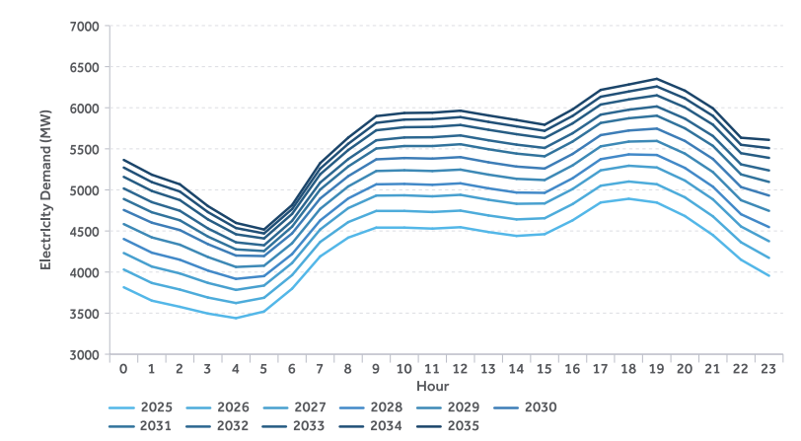
 |  | 2025 All Island Resource Adequacy Assessment (MW)
 | Hour | 2025 | 2026 | 2027 | 2028 | 2029 | 2030 | 2031 | 2032 | 2033 | 2034 | 2035
 | 0 | 3815 | 4031 | 4232 | 4403 | 4584 | 4756 | 4890 | 5018 | 5159 | 5272 | 5365
 | 1 | 3652 | 3867 | 4067 | 4236 | 4422 | 4601 | 4728 | 4851 | 4987 | 5095 | 5185
 | 2 | 3577 | 3787 | 3983 | 4150 | 4333 | 4511 | 4630 | 4746 | 4876 | 4980 | 5068
 | 3 | 3495 | 3690 | 3868 | 4018 | 4183 | 4340 | 4432 | 4531 | 4641 | 4730 | 4803
 | 4 | 3439 | 3623 | 3783 | 3917 | 4062 | 4201 | 4276 | 4362 | 4460 | 4536 | 4598
 | 5 | 3520 | 3687 | 3836 | 3951 | 4077 | 4195 | 4256 | 4326 | 4409 | 4470 | 4518
 | 6 | 3798 | 3963 | 4110 | 4219 | 4351 | 4471 | 4553 | 4624 | 4708 | 4767 | 4816
 | 7 | 4190 | 4366 | 4518 | 4628 | 4769 | 4895 | 5004 | 5089 | 5190 | 5259 | 5326
 | 8 | 4419 | 4608 | 4778 | 4896 | 5042 | 5167 | 5285 | 5375 | 5485 | 5561 | 5636
 | 9 | 4541 | 4744 | 4931 | 5068 | 5230 | 5372 | 5504 | 5604 | 5726 | 5816 | 5898
 | 10 | 4541 | 4744 | 4934 | 5073 | 5239 | 5388 | 5534 | 5638 | 5763 | 5856 | 5936
 | 11 | 4529 | 4731 | 4922 | 5062 | 5230 | 5381 | 5534 | 5641 | 5767 | 5861 | 5940
 | 12 | 4546 | 4748 | 4940 | 5080 | 5247 | 5399 | 5556 | 5663 | 5790 | 5886 | 5964
 | 13 | 4487 | 4689 | 4880 | 5019 | 5186 | 5336 | 5495 | 5604 | 5732 | 5828 | 5906
 | 14 | 4440 | 4641 | 4831 | 4968 | 5135 | 5284 | 5442 | 5551 | 5678 | 5773 | 5851
 | 15 | 4461 | 4655 | 4835 | 4964 | 5120 | 5260 | 5409 | 5511 | 5631 | 5719 | 5793
 | 16 | 4630 | 4828 | 5011 | 5142 | 5299 | 5438 | 5589 | 5690 | 5810 | 5901 | 5980
 | 17 | 4847 | 5051 | 5238 | 5374 | 5530 | 5667 | 5815 | 5916 | 6039 | 6134 | 6217
 | 18 | 4892 | 5102 | 5294 | 5432 | 5588 | 5723 | 5872 | 5976 | 6101 | 6198 | 6283
 | 19 | 4846 | 5069 | 5273 | 5425 | 5596 | 5746 | 5903 | 6016 | 6151 | 6259 | 6352
 | 20 | 4682 | 4910 | 5114 | 5268 | 5442 | 5596 | 5750 | 5868 | 6005 | 6114 | 6208
 | 21 | 4450 | 4678 | 4885 | 5039 | 5217 | 5377 | 5536 | 5656 | 5794 | 5901 | 5993
 | 22 | 4150 | 4363 | 4555 | 4704 | 4875 | 5035 | 5189 | 5311 | 5447 | 5549 | 5635
 | 23 | 3955 | 4172 | 4375 | 4547 | 4745 | 4931 | 5097 | 5237 | 5390 | 5509 | 5609

Figure 4.12 Electric vehicle charging profiles

 | Hour | Simple | Passenger Smarter | BEV LCV | BEV Buses
 | 0 | 3% | 11% | 11% | 9%
 | 1 | 2% | 11% | 11% | 9%
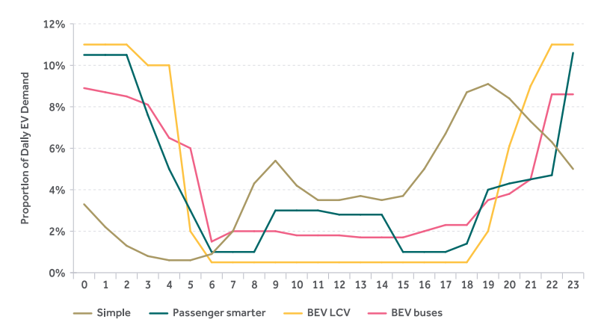
 | 2 | 1% | 11% | 11% | 9%
 | 3 | 1% | 8% | 10% | 8%
 | 4 | 1% | 5% | 10% | 7%
 | 5 | 1% | 3% | 2% | 6%
 | 6 | 1% | 1% | 0% | 2%
 | 7 | 2% | 1% | 0% | 2%
 | 8 | 4% | 1% | 0% | 2%
 | 9 | 5% | 3% | 0% | 2%
 | 10 | 4% | 3% | 0% | 2%
 | 11 | 4% | 3% | 0% | 2%
 | 12 | 3% | 3% | 0% | 2%
 | 13 | 4% | 3% | 0% | 2%
 | 14 | 3% | 3% | 0% | 2%
 | 15 | 4% | 1% | 0% | 2%
 | 16 | 5% | 1% | 0% | 2%
 | 17 | 7% | 1% | 0% | 2%
 | 18 | 9% | 1% | 0% | 2%
 | 19 | 9% | 4% | 2% | 4%
 | 20 | 8% | 4% | 6% | 4%
 | 21 | 7% | 5% | 9% | 5%
 | 22 | 6% | 5% | 11% | 9%
 | 23 | 5% | 11% | 11% | 9%

Data Centre Demand

 |  | Historical (MW) | 2025 All Island Resource Adequacy Assessment
 | Year |  | Low | Median | High
 | 2016 | 134
 | 2017 | 174
 | 2018 | 256
 | 2019 | 319
 | 2020 | 410
 | 2021 | 490
 | 2022 | 601
 | 2023 | 717
 | 2024 | 795 | 795 | 795 | 795
 | 2025 |  | 823 | 903 | 972
 | 2026 |  | 858 | 1015 | 1164
 | 2027 |  | 893 | 1098 | 1298
 | 2028 |  | 928 | 1172 | 1414
 | 2029 |  | 965 | 1247 | 1529
 | 2030 |  | 1002 | 1323 | 1628
 | 2031 |  | 1039 | 1390 | 1696
 | 2032 |  | 1076 | 1452 | 1753
 | 2033 |  | 1111 | 1513 | 1796
 | 2034 |  | 1144 | 1556 | 1832
 | 2035 |  | 1177 | 1595 | 1858

Demand - NI
Demand Forecast for Northern Ireland

4.3.3 Data Centres

Figure 4.13 Northern Ireland TER expected from data centres across demand scenarios

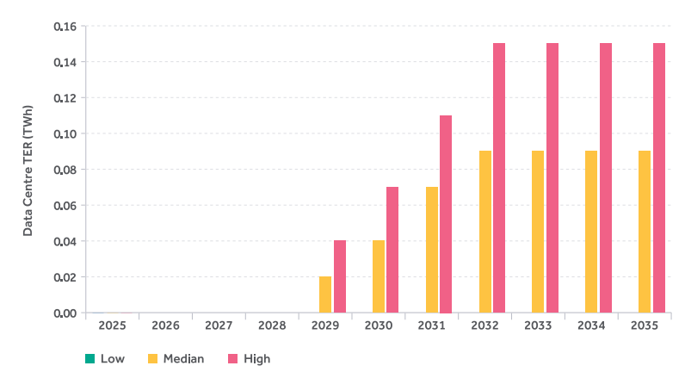
 | Year | Low (TWh) | Median (TWh) | High (TWh)
 | 2025 | 0.00 | 0.00 | 0.00
 | 2026 | 0.00 | 0.00 | 0.00
 | 2027 | 0.00 | 0.00 | 0.00
 | 2028 | 0.00 | 0.00 | 0.00
 | 2029 | 0.00 | 0.02 | 0.04
 | 2030 | 0.00 | 0.04 | 0.07
 | 2031 | 0.00 | 0.07 | 0.11
 | 2032 | 0.00 | 0.09 | 0.15
 | 2033 | 0.00 | 0.09 | 0.15
 | 2034 | 0.00 | 0.09 | 0.15
 | 2035 | 0.00 | 0.09 | 0.15

4.3.4 Electrification of heat and transport

Table 4.6 Number of electric vehicle and heat pump installations included in the low, median, and high demand forecast

 |  | Low |  | Median |  | High
 |  | Electric Vehicles | Heat Pump Installations | Electric Vehicles | Heat Pump Installations | Electric Vehicles | Heat Pump Installations
 | 2025 | 56,000 | 2,000 | 70,000 | 2,500 | 83,000 | 3,000
 | 2030 | 194,000 | 34,400 | 242,000 | 43,000 | 291,000 | 51,500
 | 2035 | 390,000 | 115,000 | 487,000 | 143,700 | 585,000 | 172,500

4.3.5 Total Electricity Requirement forecast

Table 4.7 Low, median and high Total Electricity Requirement key assumption differences for Northern Ireland

 |  |  | Low | Median | High
 | Number of Electric Vehicles |  | DfI Transport Emissions Model Projections Less 20% | DfI Transport Emissions Model Projections | DfI Transport Emissions Model Projections Plus 20%
 | Number of Heat Pumps |  | NIE Networks Constrained Growth Scenario Projections Less 20% | NIE Networks Constrained Growth Scenario Projections | NIE Networks Constrained Growth Scenario Projections Plus 20%
 | Data Centre and New Technology Loads |  | None | Median Ramp | High Ramp
 | Economic Growth Projection |  | Oxford Economics Ten Year Forecast Less 1% | Oxford Economics Ten Year Forecast | Oxford Economics Ten Year Forecast Plus 1%

Figure 4.14 Northern Ireland total electricity requirement (TER) forecast

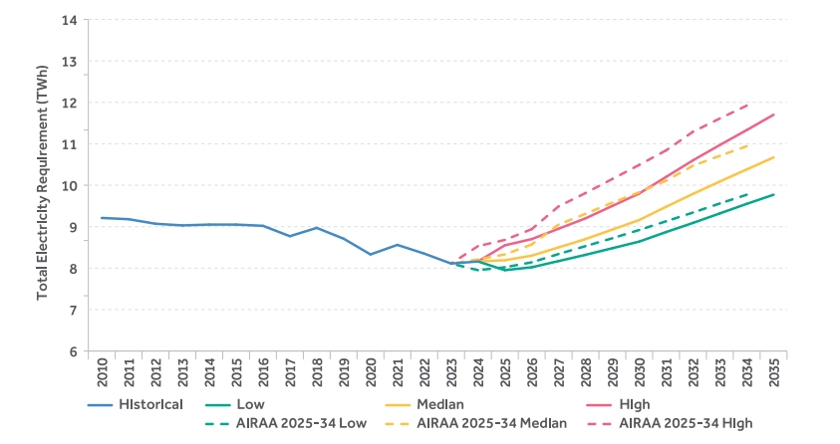
 | Year | Historical (TWh) | AIRAA 2024** |  |  | AIRAA 2025*
 |  |  | Low (TWh) | Median (TWh) | High (TWh) | Low (TWh) | Median (TWh) | High (TWh)
 | 2010 | 9.21
 | 2011 | 9.18
 | 2012 | 9.07
 | 2013 | 9.03
 | 2014 | 9.05
 | 2015 | 9.05
 | 2016 | 9.02
 | 2017 | 8.77
 | 2018 | 8.97
 | 2019 | 8.71
 | 2020 | 8.33
 | 2021 | 8.56
 | 2022 | 8.35
 | 2023 | 8.11 | 8.11 | 8.11 | 8.11
 | 2024 | 8.16 | 7.95 | 8.21 | 8.53 | 8.16 | 8.16 | 8.16
 | 2025 |  | 8.02 | 8.33 | 8.68 | 7.95 | 8.19 | 8.55
 | 2026 |  | 8.14 | 8.57 | 8.94 | 8.02 | 8.30 | 8.70
 | 2027 |  | 8.34 | 9.05 | 9.49 | 8.17 | 8.50 | 8.95
 | 2028 |  | 8.53 | 9.31 | 9.81 | 8.32 | 8.70 | 9.20
 | 2029 |  | 8.72 | 9.58 | 10.15 | 8.48 | 8.93 | 9.50
 | 2030 |  | 8.92 | 9.83 | 10.49 | 8.64 | 9.16 | 9.80
 | 2031 |  | 9.13 | 10.11 | 10.84 | 8.87 | 9.48 | 10.20
 | 2032 |  | 9.34 | 10.47 | 11.29 | 9.09 | 9.79 | 10.60
 | 2033 |  | 9.56 | 10.71 | 11.61 | 9.32 | 10.09 | 10.97
 | 2034 |  | 9.77 | 10.94 | 11.92 | 9.55 | 10.38 | 11.33
 | 2035 |  |  |  |  | 9.77 | 10.67 | 11.70
 | * AIRAA25 Low, Median, High data for year 2024 is based on historic data for charting purposes, forecast begins in year 2025.
 | ** AIRAA24 Low, Median, High data for year 2023 is based on historic data for charting purposes, forecast begins in year 2024.

Figure 4.15 Northern Ireland median total electricity requirement (TER) forecast components

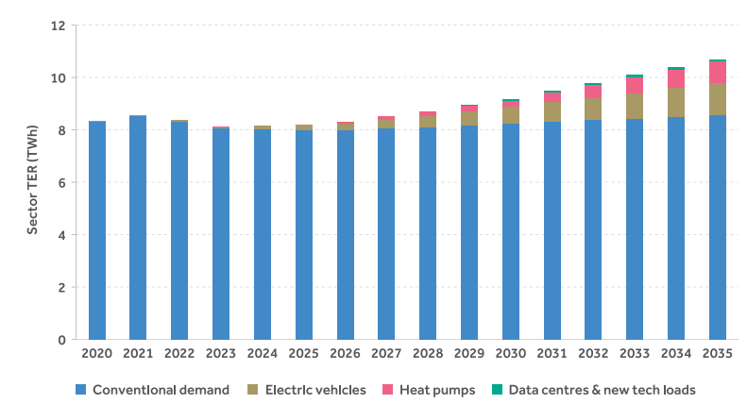
 |  | Conventional Demand | Electric Vehicles | Heat Pumps | Data Centres & New Tech Loads
 | 2020 | 8.32 | 0.01 | 0.00 | 0.00
 | 2021 | 8.53 | 0.02 | 0.00 | 0.00
 | 2022 | 8.31 | 0.04 | 0.00 | 0.00
 | 2023 | 8.04 | 0.06 | 0.01 | 0.00
 | 2024 | 8.02 | 0.13 | 0.01 | 0.00
 | 2025 | 7.98 | 0.19 | 0.02 | 0.00
 | 2026 | 7.97 | 0.26 | 0.07 | 0.00
 | 2027 | 8.04 | 0.34 | 0.12 | 0.00
 | 2028 | 8.10 | 0.43 | 0.17 | 0.00
 | 2029 | 8.17 | 0.53 | 0.21 | 0.02
 | 2030 | 8.23 | 0.63 | 0.25 | 0.04
 | 2031 | 8.30 | 0.74 | 0.37 | 0.07
 | 2032 | 8.36 | 0.85 | 0.48 | 0.09
 | 2033 | 8.43 | 0.97 | 0.60 | 0.09
 | 2034 | 8.49 | 1.09 | 0.71 | 0.09
 | 2035 | 8.56 | 1.21 | 0.82 | 0.09

Figure 4.16 Northern Ireland's total electricity requirement (TER) breakdown in 2026 and 2035

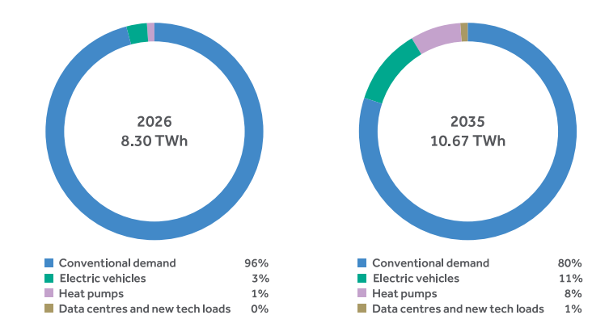
 |  | 2026 (TWh) | 2035 (TWh)
 | Conventional Demand | 7.97 | 8.56
 | Electric Vehicles | 0.26 | 1.21
 | Heat Pumps | 0.07 | 0.82
 | Data Centres & New Tech Loads | 0.00 | 0.09

4.3.6 Peak demand forecasting

Figure 4.17 Northern Ireland's total electricity requirement (TER) peak demand breakdown in 2026 and 2035

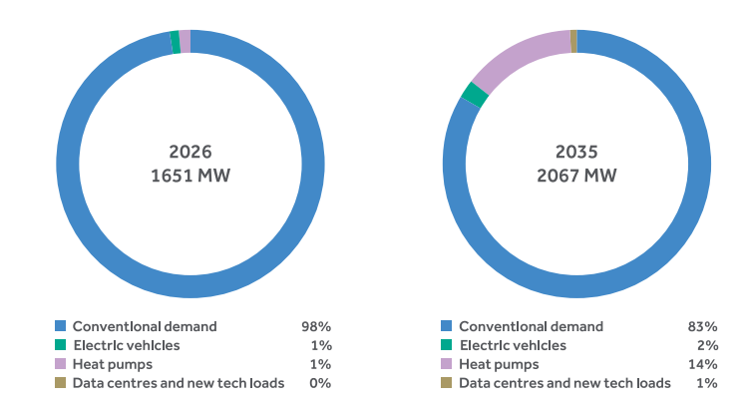
 |  | 2026 TER Peak (MW) | 2035 TER Peak (MW)
 | Conventional Demand | 1612 | 1726
 | Electric Vehicles | 19 | 48
 | Heat Pumps | 19 | 279
 | Data Centres & New Tech Loads | 0 | 15

Figure 4.18 ACS Transmission Peak forecasts for Northern Ireland

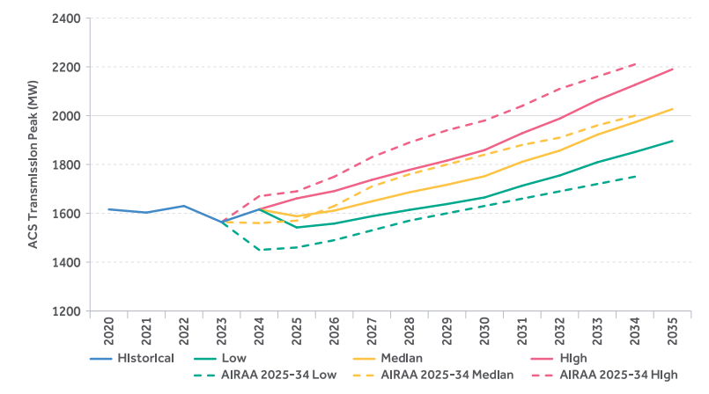
 | Year | Historical (MW) | AIRAA 2024** |  |  | AIRAA 2025*
 |  |  | Low (MW) | Median (MW) | High (MW) | Low (MW) | Median (MW) | High (MW)
 | 2020 | 1616
 | 2021 | 1603
 | 2022 | 1630
 | 2023 | 1564 | 1564 | 1564 | 1564
 | 2024 | 1616 | 1450 | 1560 | 1670 | 1616 | 1616 | 1616
 | 2025 |  | 1460 | 1570 | 1690 | 1542 | 1588 | 1661
 | 2026 |  | 1490 | 1630 | 1750 | 1558 | 1611 | 1691
 | 2027 |  | 1530 | 1710 | 1830 | 1588 | 1649 | 1737
 | 2028 |  | 1570 | 1760 | 1890 | 1614 | 1686 | 1778
 | 2029 |  | 1600 | 1800 | 1940 | 1638 | 1717 | 1816
 | 2030 |  | 1630 | 1840 | 1980 | 1665 | 1752 | 1859
 | 2031 |  | 1660 | 1880 | 2040 | 1713 | 1811 | 1928
 | 2032 |  | 1690 | 1910 | 2110 | 1755 | 1857 | 1988
 | 2033 |  | 1720 | 1960 | 2160 | 1809 | 1922 | 2063
 | 2034 |  | 1750 | 2000 | 2210 | 1851 | 1973 | 2126
 | 2035 |  |  |  |  | 1896 | 2027 | 2190
 | * AIRAA25 Low, Median, High data for year 2024 is based on historic data for charting purposes, forecast begins in year 2025.
 | ** AIRAA24 Low, Median, High data for year 2023 is based on historic data for charting purposes, forecast begins in year 2024.

4.3.7 Demand Flexibility: Impact of Off-Peak Charging

Figure 4.19 The impact of demand flexibility on 2030 peak day for Northern Ireland (median scenario)

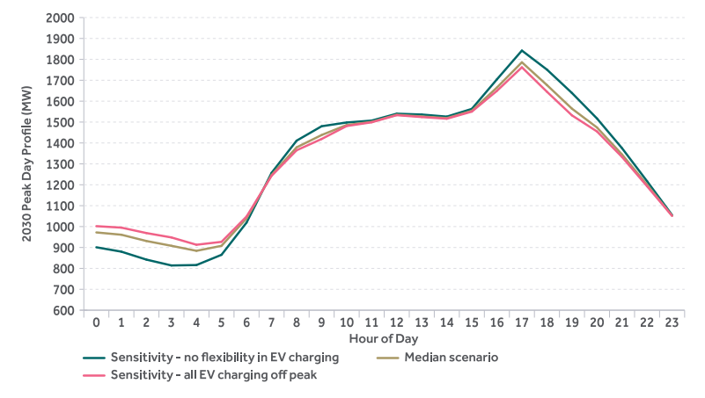
 |  | Sensitivity - No Flexibility in EV Charging | Median Scenario | Sensitivity - All EV Charging Off Peak
 | 0 | 901 | 972 | 1002
 | 1 | 880 | 961 | 995
 | 2 | 842 | 931 | 969
 | 3 | 814 | 908 | 948
 | 4 | 816 | 884 | 913
 | 5 | 865 | 908 | 927
 | 6 | 1019 | 1039 | 1048
 | 7 | 1257 | 1247 | 1243
 | 8 | 1411 | 1379 | 1365
 | 9 | 1480 | 1438 | 1419
 | 10 | 1498 | 1486 | 1481
 | 11 | 1507 | 1501 | 1499
 | 12 | 1540 | 1535 | 1533
 | 13 | 1536 | 1527 | 1524
 | 14 | 1526 | 1519 | 1516
 | 15 | 1563 | 1554 | 1550
 | 16 | 1704 | 1665 | 1649
 | 17 | 1842 | 1786 | 1762
 | 18 | 1751 | 1677 | 1645
 | 19 | 1639 | 1564 | 1532
 | 20 | 1517 | 1474 | 1455
 | 21 | 1375 | 1345 | 1333
 | 22 | 1217 | 1200 | 1193
 | 23 | 1055 | 1052 | 1051

Figure 4.20 Impact of demand flexibility in median scenario across the study period for Northern Ireland

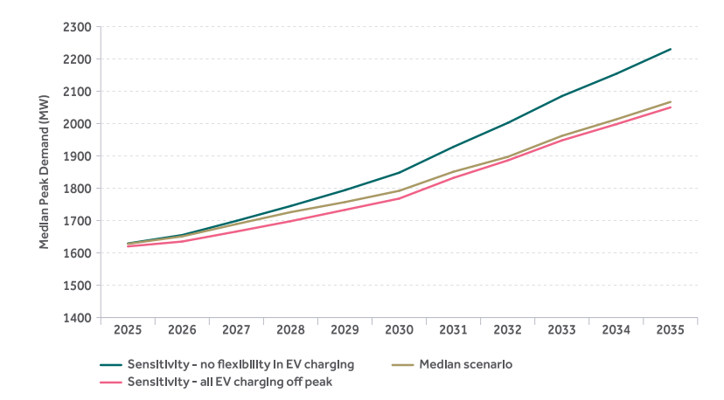
 |  | Sensitivity - No Flexibility in EV Charging | Median Scenario | Sensitivity - All EV Charging Off Peak
 | 2025 | 1629 | 1628 | 1620
 | 2026 | 1655 | 1651 | 1635
 | 2027 | 1699 | 1689 | 1666
 | 2028 | 1745 | 1726 | 1698
 | 2029 | 1794 | 1757 | 1733
 | 2030 | 1848 | 1792 | 1768
 | 2031 | 1928 | 1851 | 1832
 | 2032 | 2002 | 1897 | 1886
 | 2033 | 2085 | 1962 | 1948
 | 2034 | 2154 | 2013 | 1998
 | 2035 | 2230 | 2067 | 2050

4.3.8 Shape of the Demand Profile

Figure 4.21 Historical and forecast hourly demand shape in Northern Ireland

 |  | 2026-35 All Island Resource Adequacy Assessment (MW)
 | Hour | Historical | 2025 | 2026 | 2027 | 2028 | 2029 | 2030 | 2031 | 2032 | 2033 | 2034 | 2035
 | 0 | 674 | 675 | 688 | 714 | 744 | 790 | 836 | 896 | 956 | 1008 | 1059 | 1109
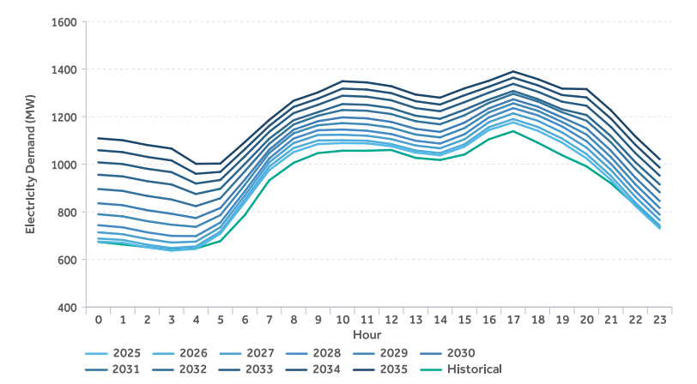
 | 1 | 663 | 670 | 682 | 706 | 735 | 781 | 828 | 888 | 949 | 1001 | 1051 | 1101
 | 2 | 652 | 651 | 662 | 686 | 714 | 761 | 807 | 867 | 929 | 981 | 1031 | 1081
 | 3 | 640 | 637 | 648 | 671 | 699 | 746 | 792 | 852 | 915 | 967 | 1016 | 1066
 | 4 | 646 | 645 | 655 | 675 | 698 | 737 | 774 | 824 | 875 | 919 | 960 | 1002
 | 5 | 677 | 708 | 717 | 735 | 755 | 786 | 816 | 857 | 897 | 934 | 968 | 1003
 | 6 | 786 | 840 | 851 | 868 | 886 | 913 | 935 | 970 | 1001 | 1033 | 1063 | 1093
 | 7 | 932 | 975 | 990 | 1008 | 1024 | 1047 | 1061 | 1086 | 1107 | 1136 | 1161 | 1186
 | 8 | 1006 | 1051 | 1068 | 1089 | 1108 | 1130 | 1145 | 1167 | 1185 | 1215 | 1241 | 1267
 | 9 | 1047 | 1085 | 1100 | 1123 | 1143 | 1164 | 1181 | 1204 | 1219 | 1250 | 1276 | 1302
 | 10 | 1057 | 1089 | 1101 | 1124 | 1146 | 1173 | 1197 | 1228 | 1253 | 1288 | 1318 | 1349
 | 11 | 1057 | 1088 | 1099 | 1120 | 1141 | 1168 | 1193 | 1225 | 1250 | 1284 | 1314 | 1344
 | 12 | 1060 | 1076 | 1085 | 1106 | 1127 | 1154 | 1178 | 1211 | 1236 | 1269 | 1299 | 1328
 | 13 | 1027 | 1049 | 1058 | 1079 | 1099 | 1125 | 1149 | 1181 | 1204 | 1236 | 1265 | 1293
 | 14 | 1018 | 1038 | 1047 | 1067 | 1087 | 1113 | 1136 | 1168 | 1191 | 1223 | 1251 | 1280
 | 15 | 1041 | 1074 | 1084 | 1105 | 1126 | 1152 | 1175 | 1206 | 1229 | 1261 | 1290 | 1319
 | 16 | 1105 | 1144 | 1156 | 1177 | 1197 | 1218 | 1235 | 1258 | 1272 | 1301 | 1326 | 1351
 | 17 | 1139 | 1176 | 1190 | 1214 | 1236 | 1256 | 1273 | 1296 | 1308 | 1338 | 1364 | 1390
 | 18 | 1091 | 1141 | 1157 | 1183 | 1206 | 1225 | 1242 | 1264 | 1274 | 1305 | 1332 | 1358
 | 19 | 1038 | 1091 | 1108 | 1134 | 1159 | 1178 | 1197 | 1219 | 1231 | 1263 | 1291 | 1318
 | 20 | 991 | 1025 | 1043 | 1070 | 1097 | 1125 | 1151 | 1183 | 1207 | 1246 | 1281 | 1316
 | 21 | 920 | 934 | 951 | 976 | 1002 | 1030 | 1057 | 1092 | 1118 | 1157 | 1192 | 1227
 | 22 | 829 | 825 | 839 | 863 | 888 | 916 | 944 | 980 | 1009 | 1047 | 1082 | 1117
 | 23 | 736 | 730 | 743 | 765 | 788 | 816 | 845 | 882 | 915 | 952 | 986 | 1021

Demand - AI
Demand Forecast for All-Island

4.4 The combined all-island forecast

Figure 4.22 Combined TER forecast for all-island system

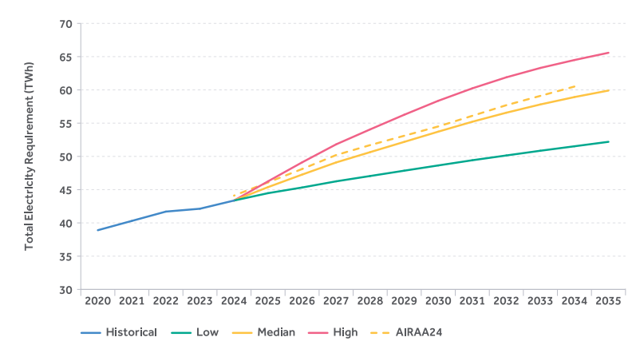
 | Year | Historical (TWh) | Low (TWh)* | Median (TWh)* | High (TWh)* | AIRAA24 (TWh)
 | 2020 | 38.90
 | 2021 | 40.30
 | 2022 | 41.70
 | 2023 | 42.13
 | 2024 | 43.36 | 43.36 | 43.36 | 43.36 | 44.10
 | 2025 |  | 44.47 | 45.38 | 46.25 | 46.10
 | 2026 |  | 45.32 | 47.26 | 49.10 | 48.10
 | 2027 |  | 46.25 | 49.09 | 51.81 | 50.20
 | 2028 |  | 47.05 | 50.64 | 54.06 | 51.70
 | 2029 |  | 47.85 | 52.18 | 56.26 | 53.10
 | 2030 |  | 48.64 | 53.72 | 58.36 | 54.50
 | 2031 |  | 49.42 | 55.21 | 60.23 | 56.10
 | 2032 |  | 50.14 | 56.57 | 61.89 | 57.70
 | 2033 |  | 50.85 | 57.81 | 63.30 | 59.10
 | 2034 |  | 51.52 | 58.92 | 64.49 | 60.50
 | 2035 |  | 52.19 | 59.90 | 65.58
 | * AIRAA25 Low, Median, High data for year 2024 is based on historic data for charting purposes, forecast begins in year 2025.

Figure 4.23 TER peak for the combined all-island forecast

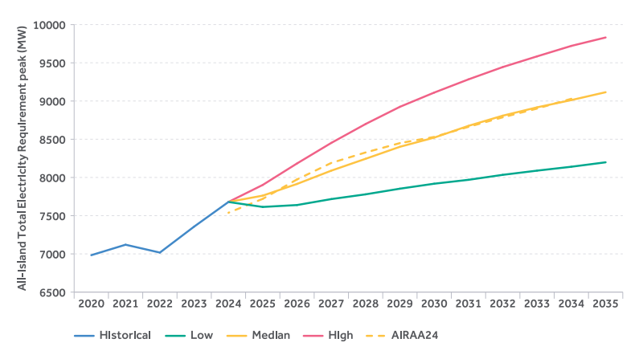
 | Year | Historical (MW) | Low (MW)* | Med (MW)* | High (MW)* | AIRAA24 (MW)
 | 2020 | 6983
 | 2021 | 7120
 | 2022 | 7017
 | 2023 | 7357
 | 2024 | 7679 | 7679 | 7679 | 7679 | 7538
 | 2025 |  | 7614 | 7762 | 7902 | 7720
 | 2026 |  | 7639 | 7915 | 8183 | 7974
 | 2027 |  | 7717 | 8089 | 8452 | 8190
 | 2028 |  | 7779 | 8244 | 8699 | 8327
 | 2029 |  | 7853 | 8401 | 8924 | 8449
 | 2030 |  | 7918 | 8521 | 9110 | 8530
 | 2031 |  | 7969 | 8675 | 9283 | 8662
 | 2032 |  | 8034 | 8808 | 9444 | 8787
 | 2033 |  | 8089 | 8917 | 9584 | 8901
 | 2034 |  | 8140 | 9012 | 9721 | 9029
 | 2035 |  | 8198 | 9115 | 9831
 | * AIRAA25 Low, Median, High data for year 2024 is based on historic data for charting purposes, forecast begins in year 2025.

Generation - All Island
Generation - All Island

5.1 Introduction

Figure 5.1 Age breakdown of dispatchable conventional and hydro generation resources for the All-Island system operational from the start of 2026

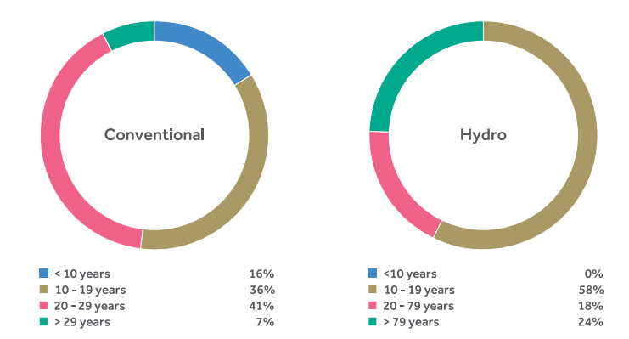

 | Conventional |  |  | Hydro
 | Year | Capacity (MW) |  | Year | Capacity (MW)
 | < 10 years | 1093 |  | < 10 years | 0
 | 10 - 19 years | 2395 |  | 10 - 19 years | 292
 | 20 - 29 years | 2708 |  | 20 - 79 years | 92
 | > 29 years | 497 |  | > 79 years | 124

5.4.1 North South Tie Line

Table 5.5 North South Net Transfer Capacity

 | N > S Capacity (MW) | S > N Capacity (MW) | Description
 | 300 | 300 | Existing North South tie line. Included in all years of the study horizon for the jurisdictional central adequacy assessments.
 | 900 | 950 | New North South Interconnector. Included from 2032 for the All-Island assessment.

5.4.2 HVDC interconnection from the all-island system to Great Britain and France

Table 5.6 HVDC Net Transfer Capacity (MW) assumptions for Northern Ireland/Ireland connection. Loss factors derived from Transmission Loss Adjustment Factors (TLAFs) for 2024-2025. The loss factor for Celtic is an anticipated loss factor based on engineering judgement of the EirGrid Interconnection team.

 | Line | Import (MW) | Loss Factor | Comment
 | Moyle | 450 | 2.40% | Increases to +/- 500 MW from 2028
 | EWIC | 500 | 4.70%
 | Greenlink | 500 | 2.30%
 | Celtic | 700 | 4.20% | Assumed available from the start of Q2 2028

5.4.3 Further interconnection

Table 5.7 Further interconnection projects

 | Project | Description | Project Promoters Target Commissioning Year | Assumed Net Transfer Capacity (MW)
 | LirIC | Interconnector between Northern Ireland and Scotland | 2032 | 700
 | MARES Connect | Interconnector between Ireland and Wales | 2029 | 750

Generation - Renewable IE
Renewable Generation - IE

5.5.1 Ireland Portfolio

Table 5.8 Climate Action Plan renewable targets in Ireland

 | Technology | 2025 Target | 2030 Target
 | Onshore Wind | 6 GW | 9 GW
 | Offshore Wind | - | At least 5 GW
 | Solar | Up to 5 GW | 8 GW

Figure 5.2 Assumed growth of variable generation capacity in Ireland

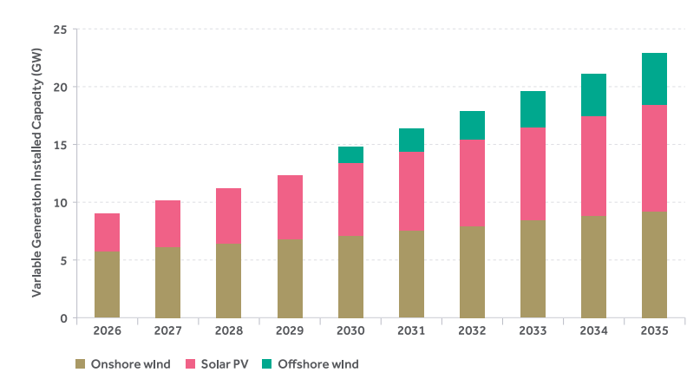
 |  | 2026 | 2027 | 2028 | 2029 | 2030 | 2031 | 2032 | 2033 | 2034 | 2035
 | Onshore Wind | 5.7 | 6.1 | 6.4 | 6.8 | 7.1 | 7.5 | 7.9 | 8.4 | 8.8 | 9.2
 | Solar PV | 3.3 | 4.0 | 4.8 | 5.5 | 6.3 | 6.9 | 7.5 | 8.1 | 8.6 | 9.2
 | Offshore Wind | 0.0 | 0.0 | 0.0 | 0.0 | 1.4 | 2.0 | 2.5 | 3.1 | 3.7 | 4.5
 | *The AIRAA median variable generation forecast is aligned with the Sustainable Energy Authority of Ireland's
 | Decarbonised Electricity System Study (DESS) - Forecasts of plausible rates of generation technology
 | deployment 2024-2040 EPO50 forecast for Solar PV, Onshore Wind and Offshore Wind.
 | Decarbonised electricity system study | Renewable Energy | SEAI

Generation - Renewable NI
Renewable Generation - NI

5.5.2 Northern Ireland Portfolio

Figure 5.3 Assumed growth of renewable capacity in Northern Ireland

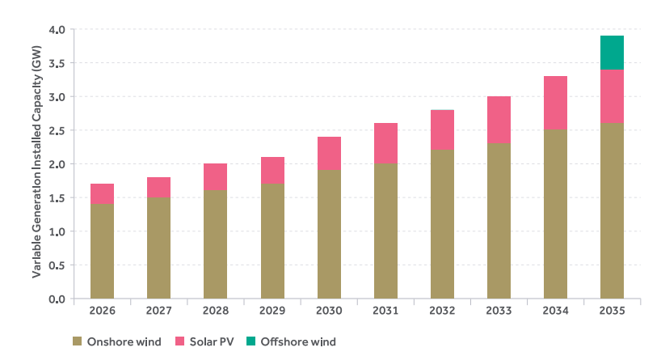
 |  | 2026 | 2027 | 2028 | 2029 | 2030 | 2031 | 2032 | 2033 | 2034 | 2035
 | Onshore Wind | 1.4 | 1.5 | 1.6 | 1.7 | 1.9 | 2.0 | 2.2 | 2.3 | 2.5 | 2.6
 | Solar PV | 0.3 | 0.3 | 0.4 | 0.4 | 0.5 | 0.6 | 0.6 | 0.7 | 0.8 | 0.8
 | Offshore Wind | 0.0 | 0.0 | 0.0 | 0.0 | 0.0 | 0.0 | 0.0 | 0.0 | 0.0 | 0.5

Generation - Availability
Generation Plant Availability

5.9 Plant Availability

Table 5.18 Summary of technology class availability statistics

 | Technology Category | Mean Forced Outage Probability (%) | Mean Scheduled Outage Rate (%) | Mean Scheduled Outage Duration (hours) | Annual Availability (%)
 | DSU | * | * | * | 26.2
 | DSU Run Hour Limited | * | * | * | 23.4
 | Gas Turbine | 11.1 | 4.8 | 420 | 84.1
 | Hydro | 13.4 | 5.9 | 520 | 80.7
 | Steam Turbine | 15.9 | 7.6 | 660 | 76.5
 | Interconnector | 4.5 | 3.8 | 340 | 91.7
 | Pumped Hydro Storage | 2.7 | 5.2 | 450 | 92.1
 | Other Storage*** | 5.1 | ** | ** | 94.9
 | System Wide | 21.1 | 6.1 | 540 | 72.7
 | * In line with the monthly availability reporting, availability of DSUs considers a capacity-weighted availability instead of forced and scheduled outage statistics.
 | ** Scheduled outages for battery storage units were observed to be close to 0% and therefore have not been included as part of this assessment.
 | *** Other Storage statistics are based on one year of availability data, which will be expanded on over the coming years as more data becomes available.

5.9.1 Historic plant availability

Figure 5.4 All-island average annual generation capacity availability for the past 10 years (excluding DSU)

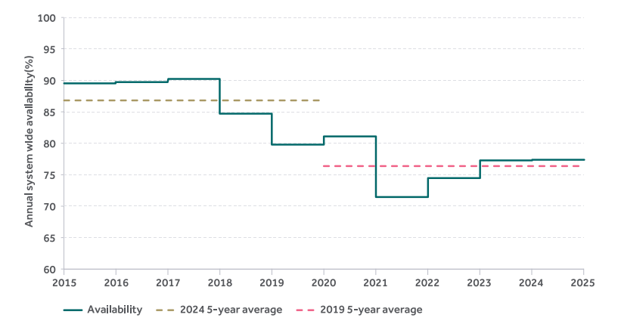
 | Year | Availability | 2024 5-Year Average | 2019 5-Year Average
 | 2015 | 89.5 |  | 86.8
 | 2016 | 89.7
 | 2017 | 90.2
 | 2018 | 84.7
 | 2019 | 79.8
 | 2020 | 81.1 | 76.3
 | 2021 | 71.4
 | 2022 | 74.4
 | 2023 | 77.3
 | 2024 | 77.4

Figure 5.5 Average annual conventional generation capacity forced and scheduled outage rates in Ireland for the past 10 years

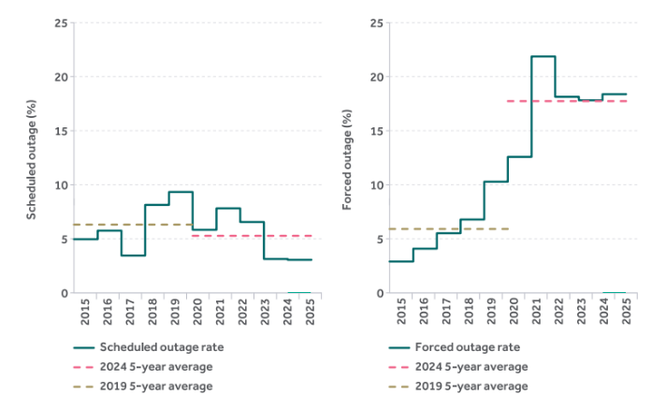
 | Year | Scheduled Outage Rate (IE) (%) | 2024 5-Year Average | 2019 5-Year Average |  | Year | Forced Outage Rate (IE) (%) | 2024 5-Year Average | 2019 5-Year Average
 | 2015 | 4.9 |  | 6.3 |  | 2015 | 2.9 |  | 5.9
 | 2016 | 5.7 |  |  |  | 2016 | 4.1
 | 2017 | 3.4 |  |  |  | 2017 | 5.5
 | 2018 | 8.1 |  |  |  | 2018 | 6.8
 | 2019 | 9.3 |  |  |  | 2019 | 10.3
 | 2020 | 5.8 | 5.2 |  |  | 2020 | 12.6 | 17.8
 | 2021 | 7.8 |  |  |  | 2021 | 21.9
 | 2022 | 6.5 |  |  |  | 2022 | 18.1
 | 2023 | 3.1 |  |  |  | 2023 | 17.8
 | 2024 | 3.0 |  |  |  | 2024 | 18.4

Figure 5.6 Average annual conventional generation capacity forced and scheduled outage rates in Northern Ireland for the past 10 years

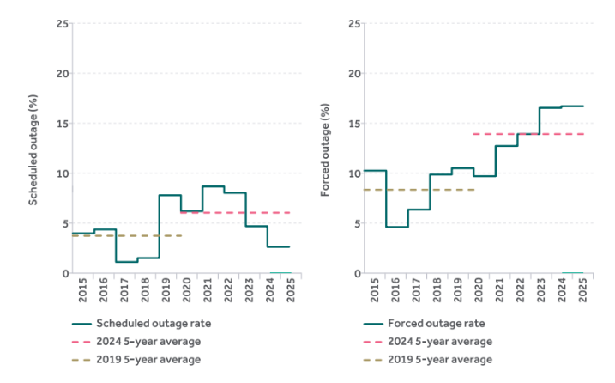
 | Year | Scheduled Outage Rate (IE) (%) | 2024 5-Year Average | 2019 5-Year Average |  | Year | Forced Outage Rate (IE) (%) | 2024 5-Year Average | 2019 5-Year Average
 | 2015 | 4.0 |  | 3.8 |  | 2015 | 10.3 |  | 8.3
 | 2016 | 4.4 |  |  |  | 2016 | 4.6
 | 2017 | 1.1 |  |  |  | 2017 | 6.4
 | 2018 | 1.5 |  |  |  | 2018 | 9.9
 | 2019 | 7.8 |  |  |  | 2019 | 10.5
 | 2020 | 6.2 | 6.0 |  |  | 2020 | 9.7 | 13.9
 | 2021 | 8.7 |  |  |  | 2021 | 12.7
 | 2022 | 8.0 |  |  |  | 2022 | 13.9
 | 2023 | 4.7 |  |  |  | 2023 | 16.5
 | 2024 | 2.6 |  |  |  | 2024 | 16.7

Figure 5.7 Ireland and Northern Ireland conventional generation capacity availability across the last 10 years

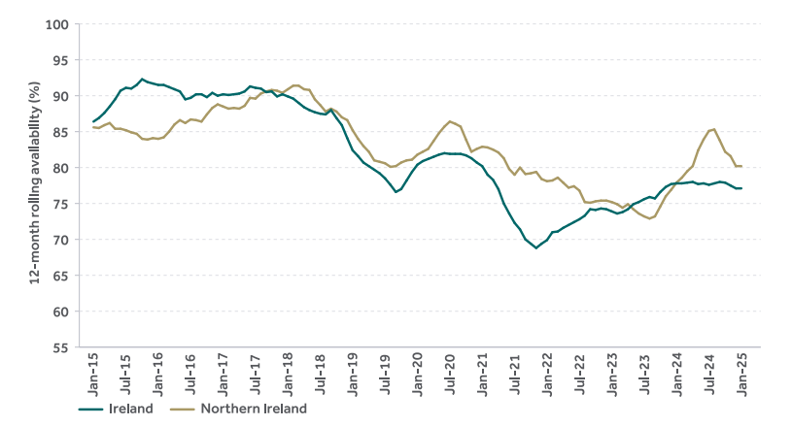
 | Date | Ireland | Northern Ireland
 | Jan-14 | 87.4 | 89.6
 | Feb-14 | 87.0 | 89.6
 | Mar-14 | 87.3 | 88.6
 | Apr-14 | 87.1 | 87.2
 | May-14 | 86.6 | 87.0
 | Jun-14 | 85.9 | 87.2
 | Jul-14 | 85.4 | 87.6
 | Aug-14 | 85.3 | 87.4
 | Sep-14 | 84.8 | 86.2
 | Oct-14 | 84.2 | 85.9
 | Nov-14 | 84.1 | 85.8
 | Dec-14 | 85.1 | 85.1
 | Jan-15 | 86.4 | 85.6
 | Feb-15 | 86.9 | 85.5
 | Mar-15 | 87.6 | 85.9
 | Apr-15 | 88.5 | 86.2
 | May-15 | 89.5 | 85.4
 | Jun-15 | 90.7 | 85.4
 | Jul-15 | 91.1 | 85.2
 | Aug-15 | 91.0 | 84.9
 | Sep-15 | 91.5 | 84.7
 | Oct-15 | 92.3 | 84.0
 | Nov-15 | 91.9 | 83.9
 | Dec-15 | 91.7 | 84.1
 | Jan-16 | 91.5 | 84.0
 | Feb-16 | 91.5 | 84.2
 | Mar-16 | 91.2 | 85.0
 | Apr-16 | 90.9 | 86.0
 | May-16 | 90.6 | 86.6
 | Jun-16 | 89.5 | 86.2
 | Jul-16 | 89.7 | 86.7
 | Aug-16 | 90.2 | 86.6
 | Sep-16 | 90.2 | 86.4
 | Oct-16 | 89.8 | 87.4
 | Nov-16 | 90.4 | 88.3
 | Dec-16 | 90.0 | 88.8
 | Jan-17 | 90.2 | 88.5
 | Feb-17 | 90.1 | 88.2
 | Mar-17 | 90.2 | 88.3
 | Apr-17 | 90.3 | 88.2
 | May-17 | 90.6 | 88.6
 | Jun-17 | 91.3 | 89.7
 | Jul-17 | 91.1 | 89.6
 | Aug-17 | 91.0 | 90.3
 | Sep-17 | 90.5 | 90.6
 | Oct-17 | 90.6 | 90.8
 | Nov-17 | 89.9 | 90.7
 | Dec-17 | 90.2 | 90.4
 | Jan-18 | 89.9 | 90.9
 | Feb-18 | 89.6 | 91.4
 | Mar-18 | 89.0 | 91.4
 | Apr-18 | 88.4 | 90.9
 | May-18 | 88.0 | 90.8
 | Jun-18 | 87.7 | 89.5
 | Jul-18 | 87.5 | 88.7
 | Aug-18 | 87.4 | 87.8
 | Sep-18 | 88.0 | 88.2
 | Oct-18 | 86.9 | 87.8
 | Nov-18 | 85.9 | 87.0
 | Dec-18 | 84.1 | 86.6
 | Jan-19 | 82.4 | 85.2
 | Feb-19 | 81.6 | 84.0
 | Mar-19 | 80.7 | 83.0
 | Apr-19 | 80.2 | 82.2
 | May-19 | 79.7 | 81.0
 | Jun-19 | 79.2 | 80.8
 | Jul-19 | 78.5 | 80.6
 | Aug-19 | 77.6 | 80.1
 | Sep-19 | 76.6 | 80.2
 | Oct-19 | 77.0 | 80.7
 | Nov-19 | 78.2 | 81.0
 | Dec-19 | 79.4 | 81.1
 | Jan-20 | 80.4 | 81.8
 | Feb-20 | 80.9 | 82.2
 | Mar-20 | 81.2 | 82.6
 | Apr-20 | 81.5 | 83.7
 | May-20 | 81.8 | 84.8
 | Jun-20 | 82.0 | 85.7
 | Jul-20 | 81.9 | 86.4
 | Aug-20 | 81.9 | 86.1
 | Sep-20 | 81.9 | 85.7
 | Oct-20 | 81.7 | 83.9
 | Nov-20 | 81.3 | 82.2
 | Dec-20 | 80.7 | 82.6
 | Jan-21 | 80.2 | 82.9
 | Feb-21 | 79.0 | 82.8
 | Mar-21 | 78.3 | 82.5
 | Apr-21 | 77.0 | 82.1
 | May-21 | 75.0 | 81.3
 | Jun-21 | 73.6 | 79.8
 | Jul-21 | 72.3 | 79.0
 | Aug-21 | 71.4 | 80.0
 | Sep-21 | 70.0 | 79.1
 | Oct-21 | 69.4 | 79.2
 | Nov-21 | 68.8 | 79.4
 | Dec-21 | 69.4 | 78.4
 | Jan-22 | 69.9 | 78.1
 | Feb-22 | 71.0 | 78.2
 | Mar-22 | 71.1 | 78.6
 | Apr-22 | 71.6 | 77.9
 | May-22 | 72.0 | 77.2
 | Jun-22 | 72.4 | 77.4
 | Jul-22 | 72.8 | 76.8
 | Aug-22 | 73.3 | 75.2
 | Sep-22 | 74.2 | 75.1
 | Oct-22 | 74.1 | 75.3
 | Nov-22 | 74.3 | 75.4
 | Dec-22 | 74.2 | 75.4
 | Jan-23 | 73.9 | 75.2
 | Feb-23 | 73.6 | 74.9
 | Mar-23 | 73.8 | 74.4
 | Apr-23 | 74.2 | 74.9
 | May-23 | 74.9 | 74.2
 | Jun-23 | 75.2 | 73.6
 | Jul-23 | 75.6 | 73.2
 | Aug-23 | 75.9 | 72.9
 | Sep-23 | 75.7 | 73.2
 | Oct-23 | 76.6 | 74.6
 | Nov-23 | 77.3 | 76.0
 | Dec-23 | 77.7 | 76.9
 | Jan-24 | 77.8 | 77.9
 | Feb-24 | 77.8 | 78.6
 | Mar-24 | 77.9 | 79.5
 | Apr-24 | 78.0 | 80.2
 | May-24 | 77.7 | 82.4
 | Jun-24 | 77.8 | 83.9
 | Jul-24 | 77.6 | 85.1
 | Aug-24 | 77.8 | 85.3
 | Sep-24 | 78.0 | 83.8
 | Oct-24 | 77.9 | 82.2
 | Nov-24 | 77.5 | 81.6
 | Dec-24 | 77.1 | 80.2
 | Jan-25 | 77.1 | 80.2

Figure 5.8 All-Island demand side unit monthly availability for 2022 to 2025 calendar years

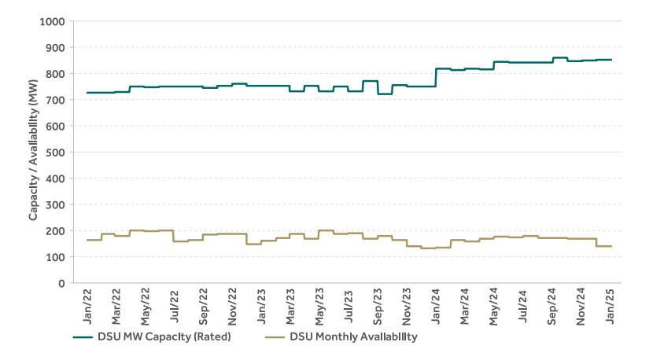
 | Year | DSU Monthly Availability | DSU MW Capacity (Rated)
 | Jan-22 | 161.6 | 726.4
 | Feb-22 | 185.7 | 726.4
 | Mar-22 | 176.9 | 729.4
 | Apr-22 | 197.4 | 749.4
 | May-22 | 195.9 | 747.4
 | Jun-22 | 197.4 | 750.4
 | Jul-22 | 156.4 | 750.4
 | Aug-22 | 160.8 | 751.4
 | Sep-22 | 182.8 | 745.4
 | Oct-22 | 184.2 | 752.4
 | Nov-22 | 184.2 | 761.4
 | Dec-22 | 145.5 | 752.4
 | Jan-23 | 159.4 | 752.4
 | Feb-23 | 170.3 | 752.4
 | Mar-23 | 184.2 | 730.8
 | Apr-23 | 166.7 | 752.4
 | May-23 | 198.8 | 730.8
 | Jun-23 | 186.4 | 750.4
 | Jul-23 | 187.1 | 730.8
 | Aug-23 | 167.4 | 772.4
 | Sep-23 | 177.6 | 721.8
 | Oct-23 | 162.3 | 754.4
 | Nov-23 | 138.2 | 751.4
 | Dec-23 | 131.6 | 751.4
 | Jan-24 | 132.3 | 818.2
 | Feb-24 | 162.3 | 814.2
 | Mar-24 | 156.4 | 819.2
 | Apr-24 | 168.1 | 816.2
 | May-24 | 175.4 | 845.2
 | Jun-24 | 172.5 | 841.8
 | Jul-24 | 176.9 | 842.0
 | Aug-24 | 169.6 | 842.0
 | Sep-24 | 169.6 | 861.2
 | Oct-24 | 166.7 | 847.4
 | Nov-24 | 167.4 | 850.4
 | Dec-24 | 138.2 | 851.4
 | Jan-25 | 138.2 | 851.4

Adequacy
Adequacy

6.1 Introduction

Table 6.1 LOLE Reliability Standards

 | Area | LOLE Reliability Standard (hours)
 | All-Island SEM | 6.5
 | Ireland | 3
 | Northern Ireland | 4.9

6.4 Ireland adequacy analysis

Figure 6.2 Base and Secure Loss of Load Expectation Results for Ireland

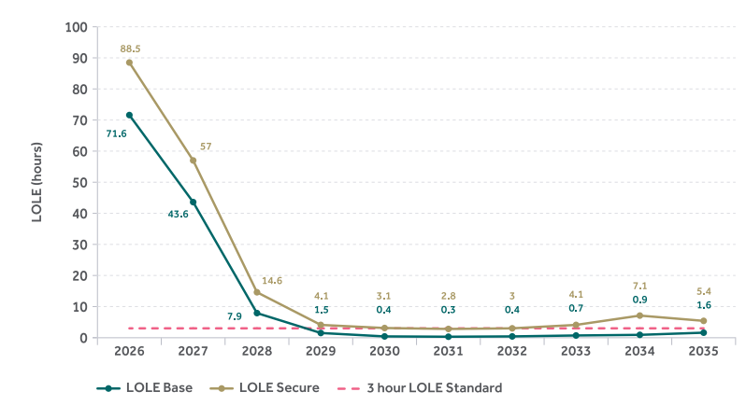
 |  | 2026 | 2027 | 2028 | 2029 | 2030 | 2031 | 2032 | 2033 | 2034 | 2035
 | LOLE Base | 71.6 | 43.6 | 7.9 | 1.5 | 0.4 | 0.3 | 0.4 | 0.7 | 0.9 | 1.6
 | LOLE Secure | 88.5 | 57 | 14.6 | 4.1 | 3.1 | 2.8 | 3 | 4.1 | 7.1 | 5.4
 | 3 hour Reliability Standard | 3 | 3 | 3 | 3 | 3 | 3 | 3 | 3 | 3 | 3

Table 6.2 LOLE and EENS Base results for Ireland (includes reserves)

 |  | 2026 | 2027 | 2028 | 2029 | 2030 | 2031 | 2032 | 2033 | 2034 | 2035
 | LOLE Base (hours) | 71.6 | 43.6 | 7.9 | 1.5 | 0.4 | 0.3 | 0.4 | 0.7 | 0.9 | 1.6
 | EENS Base (GWh) | 23.9 | 14.1 | 2.5 | 0.5 | 0.1 | 0.1 | 0.1 | 0.2 | 0.2 | 0.4

Table 6.3 LOLE and EENS Base Demand Only results for Ireland (excludes reserves)

 |  | 2026 | 2027 | 2028 | 2029 | 2030 | 2031 | 2032 | 2033 | 2034 | 2035
 | LOLE Base Demand Only (hours) | 28.3 | 16.9 | 2.1 | 0.3 | 0 | 0.1 | 0.1 | 0.1 | 0.1 | 0.3
 | EENS Base Demand Only (GWh) | 8.6 | 4.9 | 0.6 | 0.1 | 0 | 0 | 0 | 0 | 0 | 0.1

Table 6.4 Average LOLE of the 3 weather scenarios used in the surplus/deficit calculation for Ireland (includes reserves)

 |  | 2026 | 2027 | 2028 | 2029 | 2030 | 2031 | 2032 | 2033 | 2034 | 2035
 | 3 weather scenario LOLE | 77.0 | 45.6 | 6.7 | 1.6 | 0.4 | 0.4 | 0.5 | 0.6 | 0.8 | 2.0

Figure 6.3 MW Base results for Ireland in terms of surplus (+) and deficit (-) of perfect plant

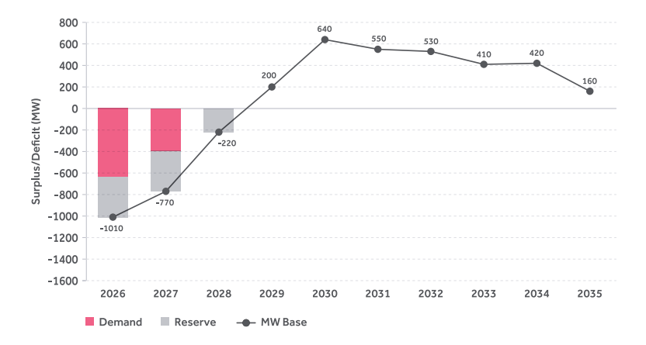
 |  | 2026 | 2027 | 2028 | 2029 | 2030 | 2031 | 2032 | 2033 | 2034 | 2035
 | Demand | -635 | -395 | 0 | 0 | 0 | 0 | 0 | 0 | 0 | 0
 | Reserve | -375 | -375 | -220 | 0 | 0 | 0 | 0 | 0 | 0 | 0
 | MW Base | -1010 | -770 | -220 | 200 | 640 | 550 | 530 | 410 | 420 | 160

Table 6.5 LOLE and EENS Secure results for Ireland (includes reserves)

 |  | 2026 | 2027 | 2028 | 2029 | 2030 | 2031 | 2032 | 2033 | 2034 | 2035
 | LOLE Secure (hours) | 88.5 | 57.0 | 14.6 | 4.1 | 3.1 | 2.8 | 3.0 | 4.1 | 7.1 | 5.4
 | EENS Secure (GWh) | 32.1 | 19.5 | 5.6 | 1.3 | 1.0 | 0.9 | 0.9 | 1.2 | 2.6 | 1.8

Figure 6.4 Secure surplus/deficit results for Ireland in terms of surplus (+) and deficit (-) of perfect plant

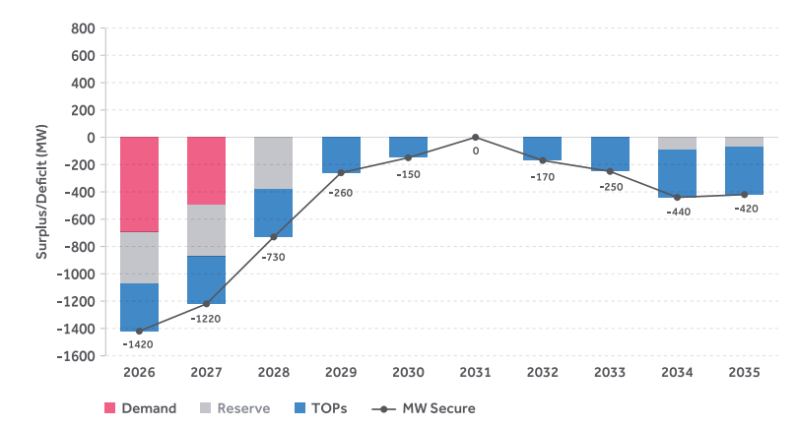
 |  | 2026 | 2027 | 2028 | 2029 | 2030 | 2031 | 2032 | 2033 | 2034 | 2035
 | Demand | -695 | -495 | 0 | 0 | 0 | 0 | 0 | 0 | 0 | 0
 | Reserve | -375 | -375 | -380 | 0 | 0 | 0 | 0 | 0 | -90 | -70
 | TOPs | -350 | -350 | -350 | -260 | -150 | 0 | -170 | -250 | -350 | -350
 | MW Secure | -1420 | -1220 | -730 | -260 | -150 | 0 | -170 | -250 | -440 | -420

Figure 6.5 Sensitivity analysis for Ireland

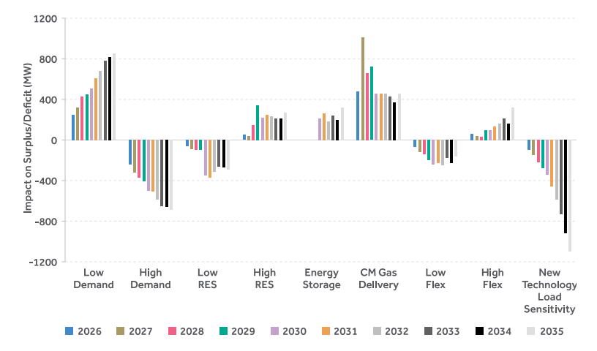
 |  | 2026 | 2027 | 2028 | 2029 | 2030 | 2031 | 2032 | 2033 | 2034 | 2035
 | Low Demand | 250 | 320 | 430 | 450 | 510 | 610 | 680 | 780 | 820 | 850
 | High Demand | -240 | -320 | -370 | -410 | -500 | -510 | -590 | -650 | -660 | -690
 | Low RES | -60 | -90 | -100 | -100 | -350 | -370 | -310 | -260 | -270 | -290
 | High RES | 50 | 40 | 150 | 340 | 220 | 250 | 230 | 210 | 210 | 270
 | Energy Storage |  |  |  |  | 210 | 260 | 180 | 240 | 200 | 320
 | CM Gas Delivery | 480 | 1010 | 660 | 720 | 460 | 460 | 460 | 430 | 370 | 460
 | Low Flex | -70 | -120 | -140 | -200 | -240 | -230 | -250 | -180 | -230 | -160
 | High Flex | 60 | 40 | 30 | 100 | 100 | 130 | 160 | 210 | 160 | 320
 | New Technology Load Sensitivity | -100 | -150 | -220 | -280 | -340 | -460 | -590 | -730 | -920 | -1100

Table 6.6 Low RES renewable trajectory (MW)

 |  | 2026 | 2027 | 2028 | 2029 | 2030 | 2031 | 2032 | 2033 | 2034 | 2035
 | Offshore Wind | 30 | 30 | 30 | 30 | 30 | 30 | 400 | 830 | 980 | 1,010
 | Onshore Wind | 5,390 | 5,600 | 5,810 | 6,020 | 6,200 | 6,490 | 6,790 | 7,100 | 7,360 | 7,610
 | Solar | 2,220 | 2,620 | 3,030 | 3,430 | 3,840 | 4,220 | 4,600 | 4,980 | 5,370 | 5,440

Table 6.7 High RES renewable trajectory (MW)

 |  | 2026 | 2027 | 2028 | 2029 | 2030 | 2031 | 2032 | 2033 | 2034 | 2035
 | Offshore Wind | 30 | 30 | 410 | 1,340 | 3,650 | 4,430 | 5,200 | 6,020 | 6,870 | 7,730
...
 |  |  |  |  |  | 2030 | 2031 | 2032 | 2033 | 2034 | 2035
 |  |  |  |  |  | 650 | 800 | 800 | 800 | 800 | 800
 |  |  |  |  |  | 2,450 | 2,900 | 2,900 | 2,900 | 2,900 | 2,900
...
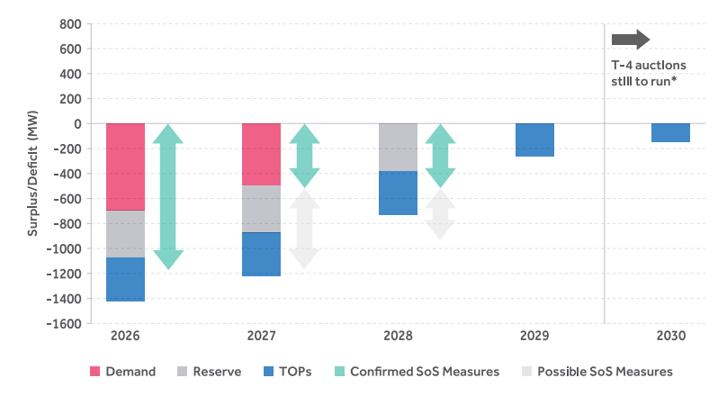
 |  |  |  |  |  | 2028 |  | 2029 | 2030
 |  |  |  |  |  | 0 |  | 0 | 0
 |  |  |  |  |  | -380 |  | 0 | 0
 |  |  |  |  |  | -350 |  | -260 | -150
 |  |  |  |  |  | -730 |  | -260 | -150
 |  |  |  |  |  |  | -520
 |  |  |  |  |  |  | -410
...
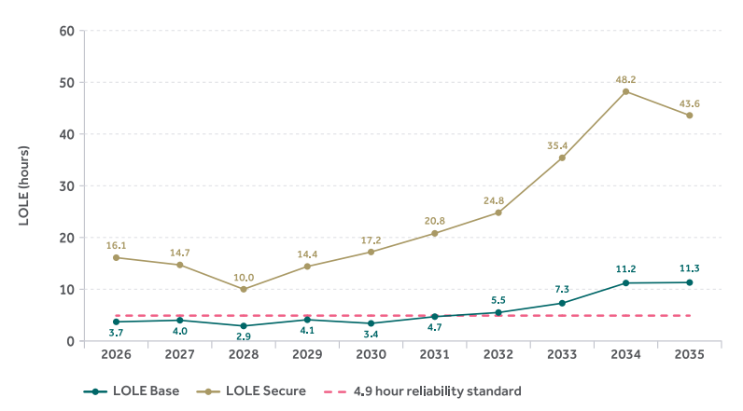
 |  |  |  |  |  | 2030 | 2031 | 2032 | 2033 | 2034 | 2035
 |  |  |  |  |  | 3.4 | 4.7 | 5.5 | 7.3 | 11.2 | 11.3
 |  |  |  |  |  | 17.2 | 20.8 | 24.8 | 35.4 | 48.2 | 43.6
 |  |  |  |  |  | 4.9 | 4.9 | 4.9 | 4.9 | 4.9 | 4.9
...
 |  |  |  |  |  | 2030 | 2031 | 2032 | 2033 | 2034 | 2035
 |  |  |  |  |  | 3.4 | 4.7 | 5.5 | 7.3 | 11.2 | 11.3
 |  |  |  |  |  | 0.4 | 0.5 | 0.6 | 1.0 | 1.4 | 1.6
...
 |  |  |  |  |  | 2030 | 2031 | 2032 | 2033 | 2034 | 2035
 |  |  |  |  |  | 3.9 | 4.6 | 6.4 | 8.7 | 13.1 | 12.7
...
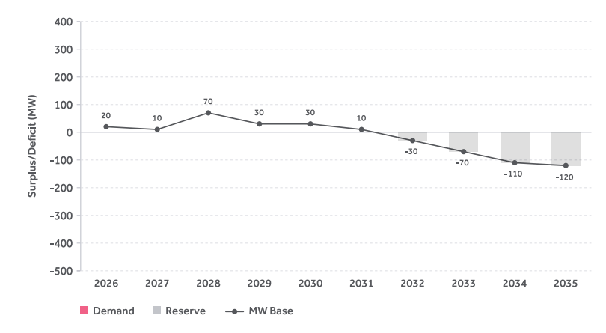
 |  |  |  |  |  | 2030 | 2031 | 2032 | 2033 | 2034 | 2035
 |  |  |  |  |  | 0 | 0 | 0 | 0 | 0 | 0
 |  |  |  |  |  | 0 | 0 | -30 | -70 | -110 | -120
 |  |  |  |  |  | 30 | 10 | -30 | -70 | -110 | -120
...
 |  |  |  |  |  | 2030 | 2031 | 2032 | 2033 | 2034 | 2035
 |  |  |  |  |  | 17.2 | 20.8 | 24.8 | 35.4 | 48.2 | 43.6
 |  |  |  |  |  | 2.2 | 2.6 | 3.2 | 5 | 7.2 | 6.5
...
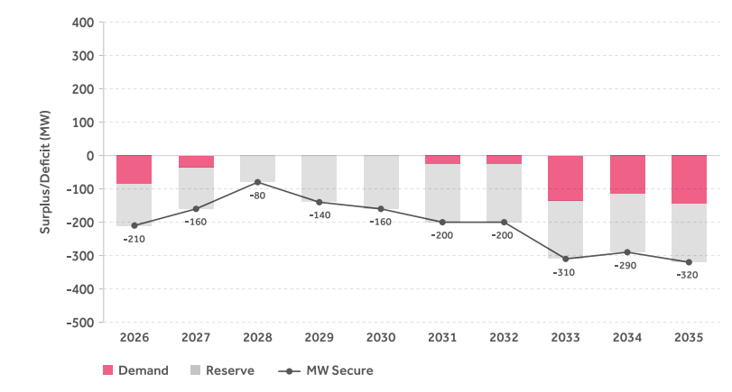
 |  |  |  |  |  | 2030 | 2031 | 2032 | 2033 | 2034 | 2035
 |  |  |  |  |  | 0 | -25 | -25 | -135 | -115 | -145
 |  |  |  |  |  | -160 | -175 | -175 | -175 | -175 | -175
 |  |  |  |  |  | -160 | -200 | -200 | -310 | -290 | -320
...
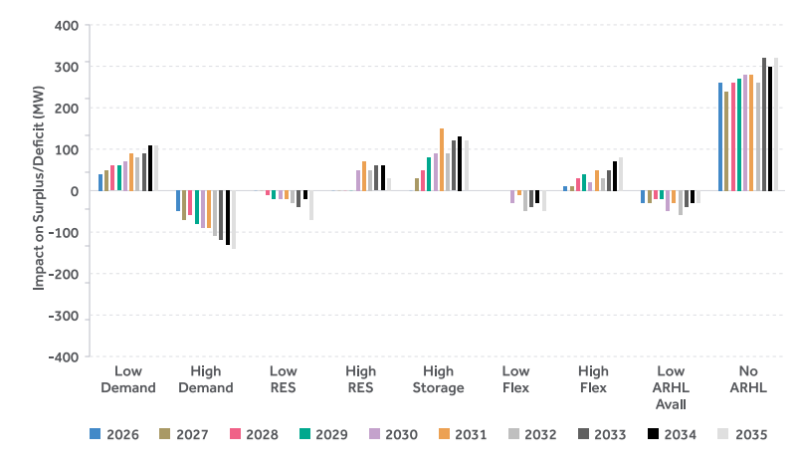
 |  |  |  |  |  | 2030 | 2031 | 2032 | 2033 | 2034 | 2035
 |  |  |  |  |  | 70 | 90 | 80 | 90 | 110 | 110
 |  |  |  |  |  | -90 | -90 | -110 | -120 | -130 | -140
 |  |  |  |  |  | -20 | -20 | -30 | -40 | -20 | -70
 |  |  |  |  |  | 50 | 70 | 50 | 60 | 60 | 30
 |  |  |  |  |  | 90 | 150 | 90 | 120 | 130 | 120
 |  |  |  |  |  | -30 | -10 | -50 | -40 | -30 | -50
 |  |  |  |  |  | 20 | 50 | 30 | 50 | 70 | 80
 |  |  |  |  |  | -50 | -30 | -60 | -40 | -30 | -30
 |  |  |  |  |  | 280 | 280 | 260 | 320 | 300 | 320
...
 |  |  |  |  |  | 2030 | 2031 | 2032 | 2033 | 2034 | 2035
 |  |  |  |  |  | 0 | 0 | 0 | 0 | 0 | 0
 |  |  |  |  |  | 1,615 | 1,690 | 1,765 | 1,840 | 1,915 | 1,990
 |  |  |  |  |  | 365 | 400 | 435 | 470 | 505 | 540
...
 |  |  |  | 2034 | 2035
 |  |  |  | 4 | 2.6
 |  |  |  | 1.1 | 0.3
 |  |  |  | -30 | 80
...
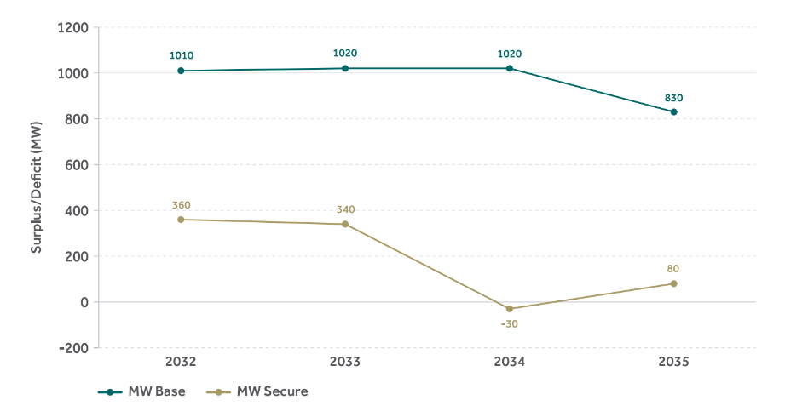
 |  |  |  | 2034 | 2035
 |  |  |  | 1020 | 830
 |  |  |  | -30 | 80

Appendix 1
...
Rationale
Assessment price cap assumption aligned with ERAA 2024.
Consultation feedback that historic SEM prices have rarely exceed 500 €/MWh, otherwise aligned with Scenario 1.
Consultation feedback that there is uncertainty regarding future ancillary service revenue, otherwise aligned with Scenario 1.
Assess impact of lower storage costs and test ability of EVA process to commission new resources, otherwise aligned with Scenario 1.
A look at “stacking” multiple aspects of consultation feedback including S2, S3.
...
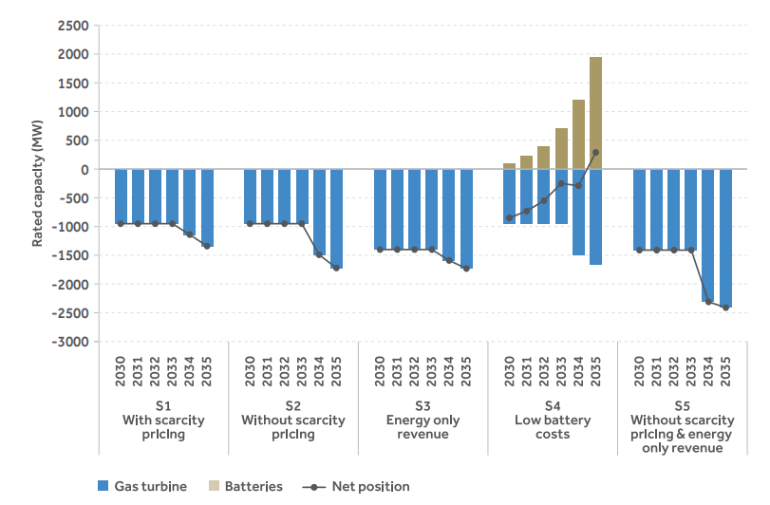
2030 | 2031 | 2032 | 2033 | 2034 | 2035
-950 | -950 | -950 | -950 | -1140 | -1340
0 | 0 | 0 | 0 | 0 | 0
-950 | -950 | -950 | -950 | -1140 | -1340
-950 | -950 | -950 | -950 | -1490 | -1720
0 | 0 | 0 | 0 | 0 | 0
-950 | -950 | -950 | -950 | -1490 | -1720
-1400 | -1400 | -1400 | -1400 | -1590 | -1730
0 | 0 | 0 | 0 | 0 | 0
-1400 | -1400 | -1400 | -1400 | -1590 | -1730
-950 | -950 | -950 | -950 | -1490 | -1660
100 | 220 | 400 | 700 | 1200 | 1950
-850 | -730 | -550 | -250 | -290 | 290
-1410 | -1410 | -1410 | -1410 | -2310 | -2410
0 | 0 | 0 | 0 | 0 | 0
-1410 | -1410 | -1410 | -1410 | -2310 | -2410

